Exportar_resultados_AP
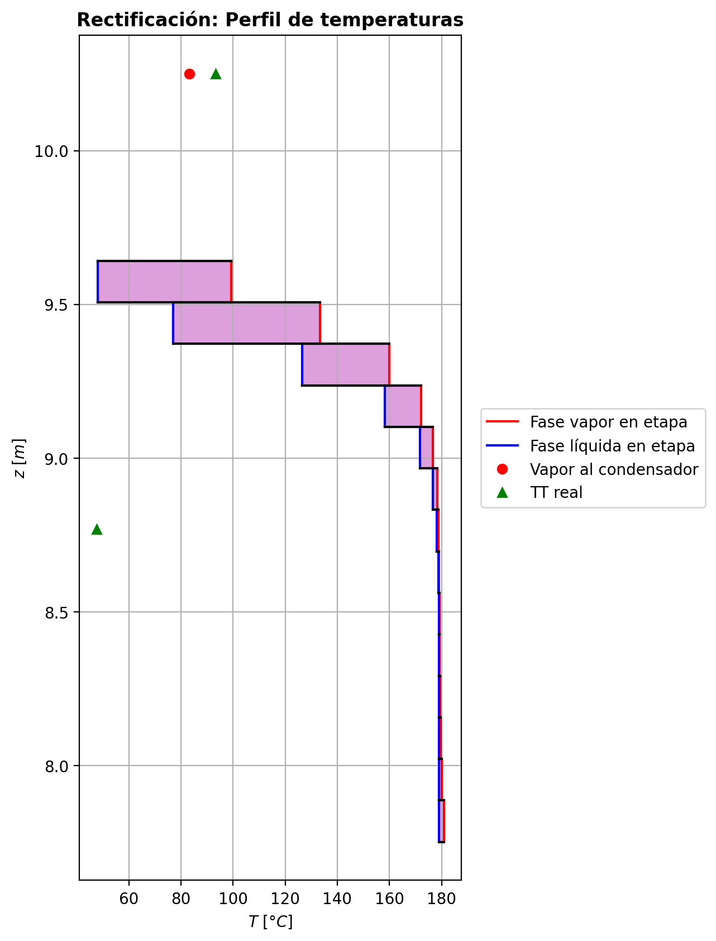
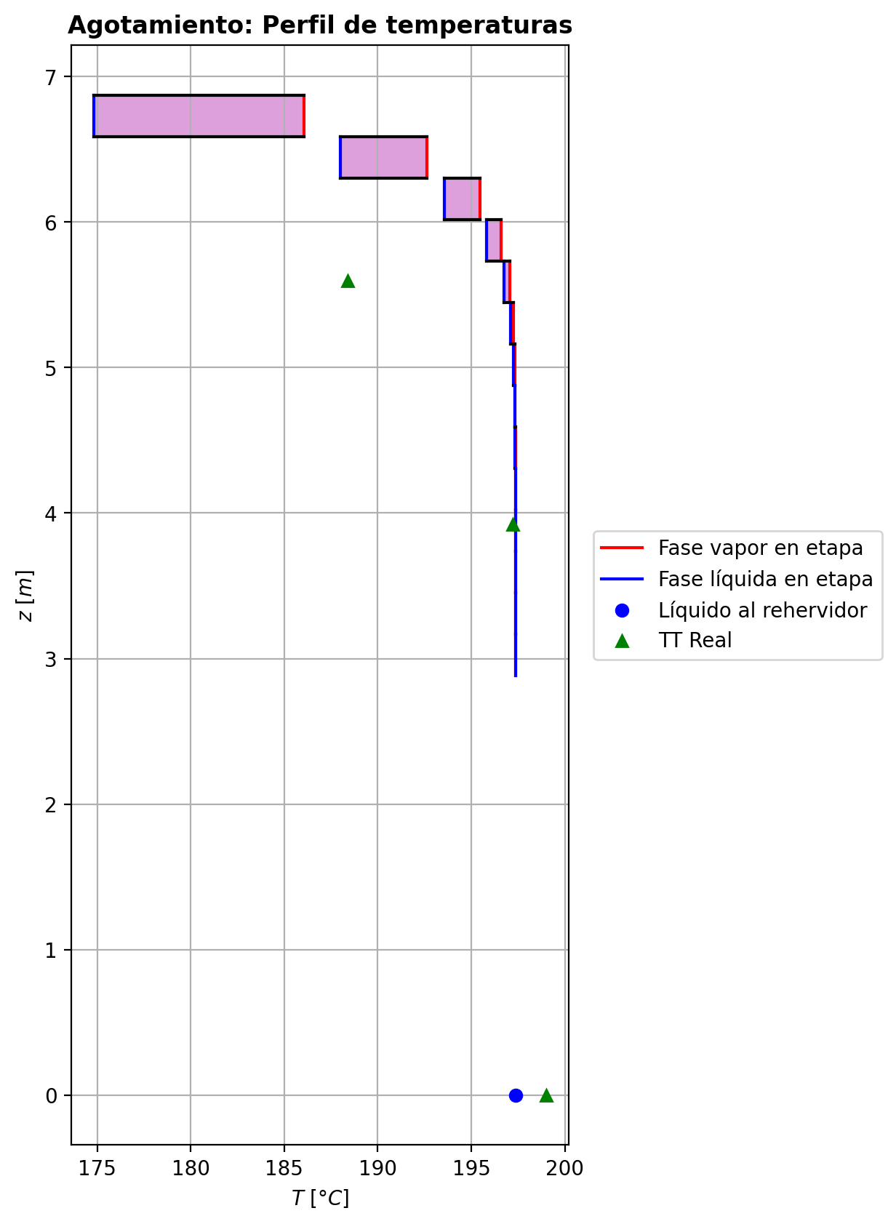
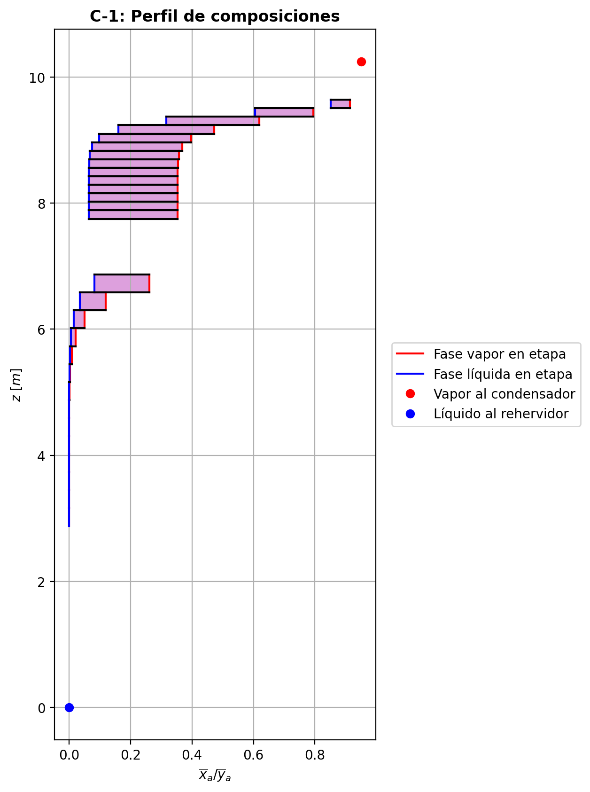
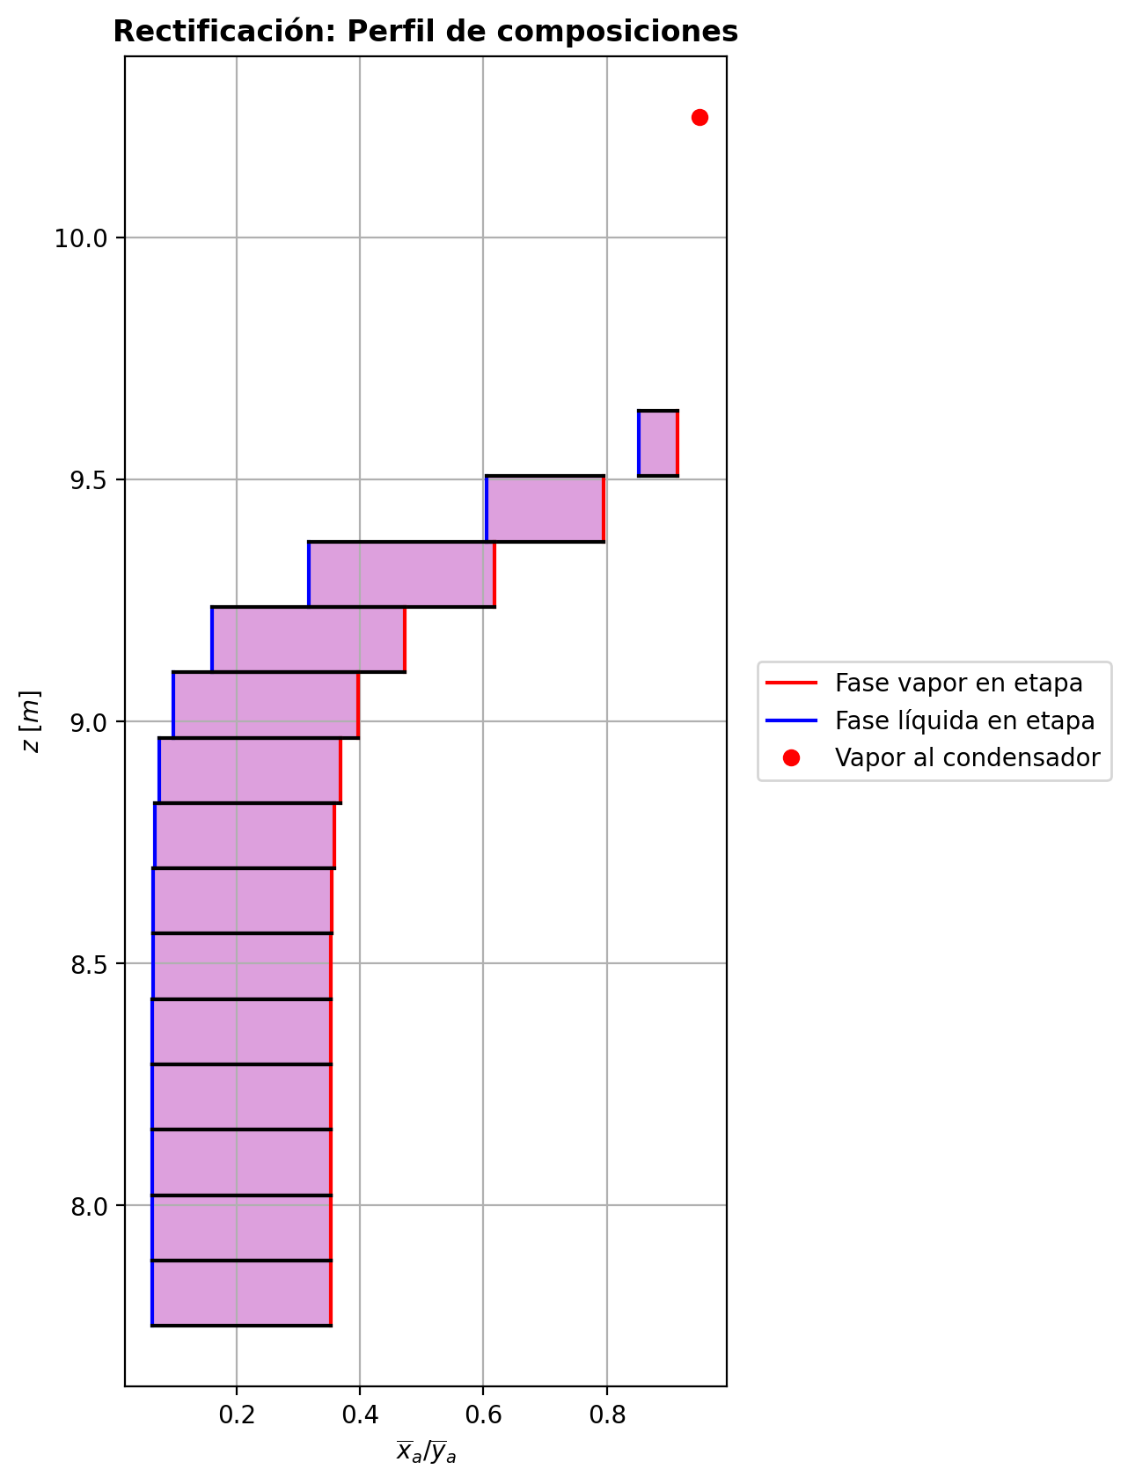
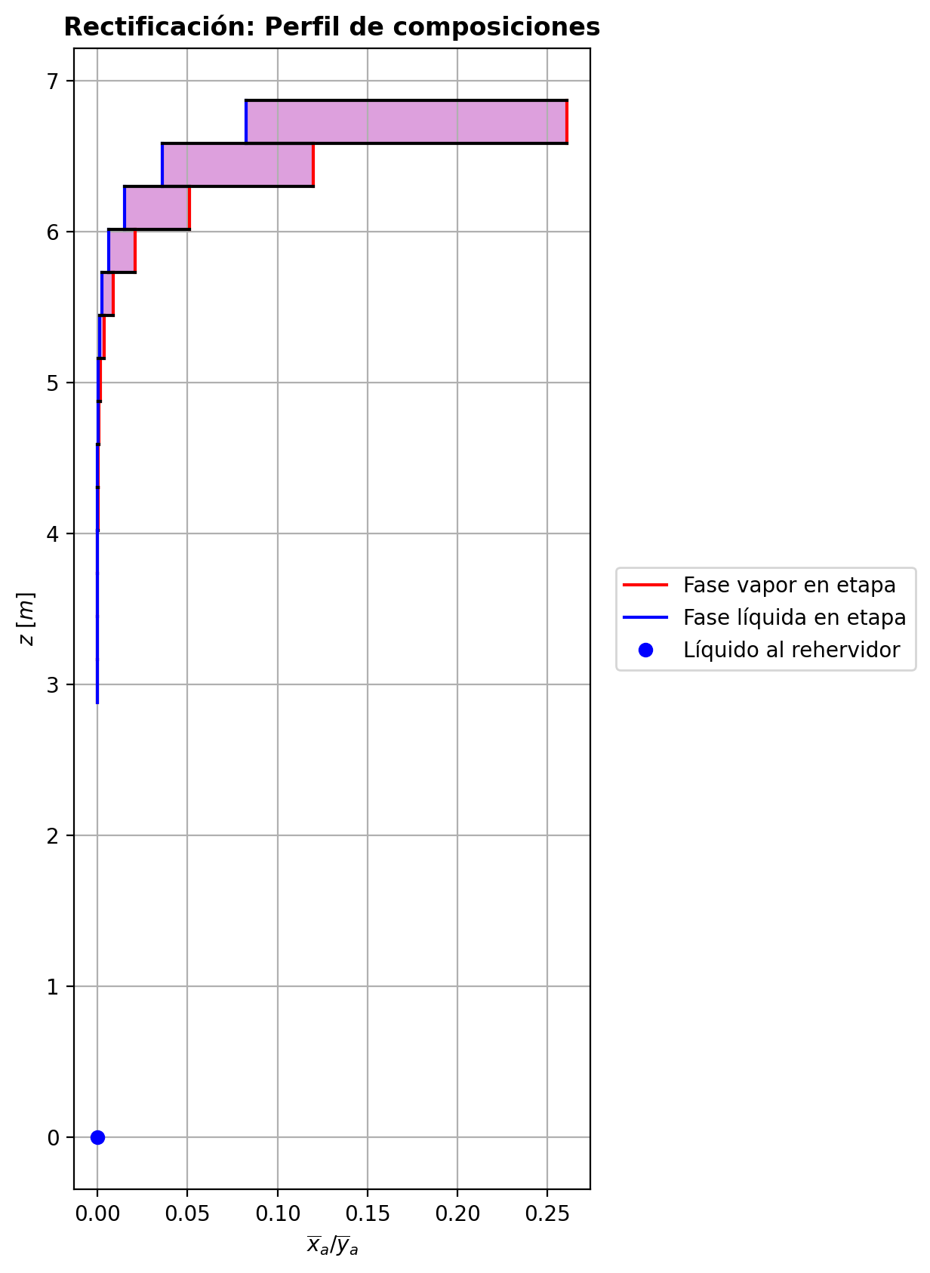
$${\left[N_{t}=N_{a}+N_{w} \right]}_{2}$$
$${\left[N_{t}=N_{a}+N_{w} \right]}_{ps1+ps2−3}$$
$$F_{fría}^{l}+F_{caliente}^{l}=P_{fría}^{l}+P_{caliente}^{l}$$
$${\left[J_{a}^{g}=Γ^{g,b}ρ^{g,b}k_{bm}^{g}a_{ef}A_{tr}Z\left(y_{a}^{b}−y_{a}^{I}\right)\right]}_{2}$$
$${\left(N_{t}\right)}_{2}=V_{3}−V_{2}=L_{2}−{\left(L_{1}−P^{l}\right)}_{E−3}$$
$${\left[J_{a}^{g}=Γ^{g,b}ρ^{g,b}k_{bm}^{g}a_{ef}A_{tr}Z\left(y_{a}^{b}−y_{a}^{I}\right)\right]}_{s}$$
$${\left[N_{t}=N_{a}+N_{w} \right]}_{s}$$
$${\left[J_{a}^{g}=Γ^{g,b}ρ^{g,b}k_{bm}^{g}a_{ef}A_{tr}Z\left(y_{a}^{b}−y_{a}^{I}\right)\right]}_{ps1+ps2−3}$$
Caso | 1 |  |  | Economizador E-1 |  |  |  |  |  |  |  |  | Condensador E-3 (s=1) |  |  |  |  |  |  |  |  | s=2 |  |  |  |  |  |  |  |  |  |  |  |  |  |  | s={3,…,ps1+ps2-4} |  |  |  |  |  |  |  |  |  |  |  |  |  |  |  | s=ps1+ps2-3 |  |  |  |  |  |  |  |  |  |  |  |  |  |  |  |  | Rehervidor E-2 (s=ps1+ps2-2)
ps1 | 16 |  | Representación y balances |  |  |  |  |  |  |  |  |  |  |  |  |  |  |  |  |  |  | Atr [m2] | 0.15904312809 |  |  |  |  |  |  |  |  |  |  |  |  |  | s |  | Atr [m2] | 0.15904312809 |  |  |  |  |  |  |  |  |  |  |  |  | Atr [m2] | 0.15904312809
ps2 | 16 |  |  | Pl [kmol/h]= | 24.8526143 | Fl [kmol/h]= | 31.8674534 | Balance de Masa Total [kmol/h] |  |  |  |  | V2 [kmol/h]= | 30.7436722 |  |  | Balance de Masa Total [kmol/h] |  |  |  |  |  | V2 [kmol/h]= | 30.7436722 |  |  | L1-Pl en E-3 [kmol/h]= | 23.72883364 |  | Balance de Masa Total [kmol/h] |  |  |  |  |  |  |  |  | Vs [kmol/h]= | #VALUE! |  |  | Ls-1 [kmol/h]= | #VALUE! |  | Balance de Masa Total [kmol/h] |  |  |  |  |  |  |  |  | Vps1+ps2-3 [kmol/h]= | 25.0562452 |  |  | Lps1+ps2-4 [kmol/h]= | 49.9088601 |  | Balance de Masa Total [kmol/h] |  |  |  |  |  |  |  | Lps1+ps2-3 [kmol/h]= | 49.9089467 | Vps1+ps2-2 [kmol/h]= | 2.75328827E-09 |  |  | Balance de Masa Total [kmol/h]
$$V_{2}=L_{1}$$
$${\left[J_{a}^{l}=Γ^{l,b}ρ^{l,b}k_{bm}^{l}a_{ef}A_{tr}Z\left(x_{a}^{I}−x_{a}^{b}\right)\right]}_{2}$$
$${\left[J_{a}^{l}=Γ^{l,b}ρ^{l,b}k_{bm}^{l}a_{ef}A_{tr}Z\left(x_{a}^{I}−x_{a}^{b}\right)\right]}_{s}$$
$${\left(N_{t}\right)}_{s}=V_{s+1}−V_{s}=L_{s}−L_{s−1}−F_{s}^{l}$$
$${\left[J_{a}^{l}=Γ^{l,b}ρ^{l,b}k_{bm}^{l}a_{ef}A_{tr}Z\left(x_{a}^{I}−x_{a}^{b}\right)\right]}_{ps1+ps2−3}$$
$${\left(N_{t}\right)}_{ps1+ps2−3}=V_{ps1+ps2−2}−V_{ps1+ps2−3}+F_{ps1+ps2−3}^{g}=L_{ps1+ps2−3}−L_{ps1+ps2−4}−F_{ps1+ps2−3}^{l}$$
$$L_{ps1+ps2−3}=P_{ps1+ps2−2}^{g}+P_{ps1+ps2−2}^{l}+V_{ps1+ps2−2}$$
flowmode1 | VPLUG |  |  | T [°C]= | 61.6557364 | T [°C]= | 22 |  |  |  |  |  | T [°C]= | 83.1550887 |  |  |  |  |  |  |  |  | T [°C]= | 83.1550887 |  |  | T [°C]= | 40.2238847 |  |  |  |  |  |  |  |  |  |  | T [°C]= | #VALUE! |  |  | T [°C]= | #VALUE! |  |  |  |  |  |  |  |  |  |  | T [°C]= | 197.374616 |  |  | T [°C]= | 197.373634 |  |  |  |  |  |  |  |  |  | T [°C]= | 197.374647 | T [°C]= | 197.374646 | Pg [kmol/h]= | 25.0563318
$${\left[Q^{g}=k_{h}^{g}a_{ef}A_{tr}Z\left(T^{g,b}−T^{I}\right)\right]}_{2}$$
$${\left[Q^{g}=k_{h}^{g}a_{ef}A_{tr}Z\left(T^{g,b}−T^{I}\right)\right]}_{s}$$
$${\left[Q^{g}=k_{h}^{g}a_{ef}A_{tr}Z\left(T^{g,b}−T^{I}\right)\right]}_{ps1+ps2−3}$$
$${f_{v}\left(L−P^{l}\right)}_{ps1+ps2−2}=P_{ps1+ps2−2}^{g}$$
flowmode2 | VPLUG |  |  | P [bar]= | 14.7096993 | P [bar]= | 18.6326 |  | 56.7200677 | = | 56.7200677 |  | P [bar]= | 14.7091358 |  |  |  | 30.7436722 | = | 30.7436722 |  |  | P [bar]= | 14.7091358 |  |  | P [bar]= | 14.7091358 |  |  | -4.06369962 | = | -4.0636996 | = | -4.06369954 |  |  |  | P [bar]= | #VALUE! |  |  | P [bar]= | #VALUE! |  |  | #VALUE! | = |  | = | #VALUE! |  |  |  | P [bar]= | 14.7135909 |  |  | P [bar]= | 14.7133633 |  |  |  | 8.65988572E-05 | = | 8.6602753289E-05 | = | 8.6600000003E-05 |  | P [bar]= | 14.7135909 | P [bar]= | 14.7138185 | T [°C]= | 197.375521
$${\left[Q^{l}=k_{h}^{l}a_{ef}A_{tr}Z\left(T^{I}−T^{l,b}\right)\right]}_{2}$$
$${\left[Q^{l}=k_{h}^{l}a_{ef}A_{tr}Z\left(T^{I}−T^{l,b}\right)\right]}_{s}$$
$${\left[Q^{l}=k_{h}^{l}a_{ef}A_{tr}Z\left(T^{I}−T^{l,b}\right)\right]}_{ps1+ps2−3}$$
simtype | 0 |  |  | xa molar= | 1.92987767E-07 | xa molar= | 0.209145562 |  |  |  |  |  | ya molar= | 0.950117479 |  |  |  |  |  |  |  | z top [m]= | ya molar= | 0.950117479 |  |  | xa molar= | 0.950117479 |  |  |  |  |  |  |  |  |  | z top [m]= | ya molar= | #VALUE! |  |  | xa molar= | #VALUE! |  |  |  |  |  |  |  |  |  | z top [m]= | ya molar= | 2.88883814E-06 |  |  | xa molar= | 1.76524478E-06 |  |  |  |  |  |  |  |  |  | xa molar= | 6.32795152E-07 | ya molar= | 3.97359107E-06 | P [bar]= | 14.7138185 |  |  | 49.9089467 | = | 49.908946103
$${\left(N_{a}\right)}_{ps1+ps2−3}={\left(Vy_{a}\right)}_{ps1+ps2−2}−{\left(Vy_{a}\right)}_{ps1+ps2−3}+{\left(F^{g}y_{a}\right)}_{ps1+ps2−3}={\left(Lx_{a}\right)}_{ps1+ps2−3}−{\left(Lx_{a}\right)}_{ps1+ps2−4}−{\left(F^{l}x_{a}\right)}_{ps1+ps2−3}$$
pborde1 | - |  |  | h [kJ/kmol]= | -283048.751 | h [kJ/kmol]= | -243450.458 | Balance de Masa Amoníaco [kmol/h] |  |  |  |  | h [kJ/kmol]= | -54608.7582 |  |  | Balance de Masa Amoníaco [kmol/h] |  |  |  |  | 9.6416 | h [kJ/kmol]= | -54608.7582 |  |  | h [kJ/kmol]= | -77349.7045 |  | Balance de Masa Amoníaco [kmol/h] |  |  |  |  |  |  |  | #VALUE! | h [kJ/kmol]= | #VALUE! |  |  | h [kJ/kmol]= | #VALUE! |  | Balance de Masa Amoníaco [kmol/h] |  |  |  |  |  |  |  | 3.1656 | h [kJ/kmol]= | -237450.585 |  |  | h [kJ/kmol]= | -272579.322 |  | Balance de Masa Amoníaco [kmol/h] |  |  |  |  |  |  |  | h [kJ/kmol]= | -272579.478 | h [kJ/kmol]= | -237450.398 | ya molar= | 6.33142185E-07 |  |  | 25.056332386 | = | 25.0563318
$${\left(F^{l}x_{a,F}\right)}_{fría}+{\left(F^{l}x_{a,F}\right)}_{caliente}={\left(P^{l}x_{a,P}\right)}_{fría}+{\left(P^{l}x_{a,P}\right)}_{caliente}$$
$${\left(Vy_{a}\right)}_{2}={\left(Lx_{a}\right)}_{1}$$
$${\left(N_{a}\right)}_{2}={\left(Vy_{a}\right)}_{3}−{\left(Vy_{a}\right)}_{2}={\left(Lx_{a}\right)}_{2}−{\left[\left(L_{1}−P^{l}\right)x_{a}\right]}_{E−3}$$
$${\left(N_{a}\right)}_{s}={\left(Vy_{a}\right)}_{s+1}−{\left(Vy_{a}\right)}_{s}={\left(Lx_{a}\right)}_{s}−{\left(Lx_{a}\right)}_{s−1}−{\left(F^{l}x_{a}\right)}_{s}$$
nborde1 | - |  |  |  |  |  |  |  |  |  |  |  |  |  |  |  |  |  |  |  |  |  |  |  | TI [°C]= | 48.4842915 |  |  |  |  |  |  |  |  |  |  | NO APLICA |  |  |  | TI [°C]= | #VALUE! |  |  |  |  |  |  |  |  |  |  | NO APLICA |  |  |  | TI [°C]= | 197.374671 |  |  |  |  |  |  |  |  |  |  |  |  |  |  |  | h [kJ/kmol]= | -237451.01686
$${\left(N_{a}\right)}_{2}={\left(J_{a}^{g}\right)}_{2}+{\left(N_{t}y_{a}^{b}\right)}_{2}={\left(J_{a}^{l}\right)}_{2}+{\left(N_{t}x_{a}^{b}\right)}_{2}$$
$${\left(N_{a}\right)}_{s}={\left(J_{a}^{g}\right)}_{s}+{\left(N_{t}y_{a}^{b}\right)}_{s}={\left(J_{a}^{l}\right)}_{s}+{\left(N_{t}x_{a}^{b}\right)}_{s}$$
$${\left(N_{a}\right)}_{ps1+ps2−3}={\left(J_{a}^{g}\right)}_{ps1+ps2−3}+{\left(N_{t}y_{a}^{b}\right)}_{ps1+ps2−3}={\left(J_{a}^{l}\right)}_{ps1+ps2−3}+{\left(N_{t}x_{a}^{b}\right)}_{ps1+ps2−3}$$
pborde2 | - |  |  |  |  |  |  |  | 6.6649412471 | = | 6.6649412471 |  |  |  |  |  |  | 29.210100326 | = | 29.210100326 |  |  | V2b [kmol/h]= | 28.7118224 | yaI molar= | 0.999252174 | L2b [kmol/h]= | 19.6651341 |  |  |  |  |  |  |  |  | Fl Alimentación [kmol/h]= | #VALUE! | Vsb [kmol/h]= | #VALUE! | yaI molar= | #VALUE! | Lsb [kmol/h]= | #VALUE! |  |  |  |  |  |  |  |  | Fl Alimentación [kmol/h]= | - | Vps1+ps2-3b [kmol/h]= | 16.704192334 | yaI molar= | 3.34853964E-06 | Lps1+ps2-3b [kmol/h]= | 49.9089467 |  |  |  |  |  |  |  |  |  |  |  |  |  |  |  | Balance de Masa Amoníaco [kmol/h]
$${\left(Lx_{a}\right)}_{ps1+ps2−3}={\left(P^{g}y_{a}\right)}_{ps1+ps2−2}+{\left(P^{l}y_{a}\right)}_{ps1+ps2−2}+{\left(Vy_{a}\right)}_{ps1+ps2−2}$$
nborde2 | - |  |  | Q̇ [kJ/h]= |  |  |  |  |  |  |  |  | Q̇ [kJ/h]= |  |  |  |  |  |  |  |  |  | Tg,b [°C]= | 99.31715035 | xaI molar= | 0.806333757 | Tl,b [°C]= | 48.0579706 |  |  | -5.79541325 | = | -5.7954132143 | = | -5.7954131714 |  | T [°C]= | #VALUE! | Tg,b [°C]= | #VALUE! | xaI molar= | #VALUE! | Tl,b [°C]= | #VALUE! |  |  | #VALUE! | = |  | = | #VALUE! |  | T [°C]= | - | Tg,b [°C]= | 197.37492767 | xaI molar= | 5.33029813E-07 | Tl,b [°C]= | 197.374647 |  |  |  | -5.65192148E-05 | = | -5.6519216104E-05 | = | -5.6519215254E-05
$$\dot{Q}={{\left(P^{l}h_{P}\right)}_{fría}−\left(F^{l}h_{F}\right)}_{fría}$$
$${\left[\left(L−P^{l}\right)x_{a}\right]}_{ps1+ps2−2}={\left(P^{g}y_{a}\right)}_{ps1+ps2−2}+{\left[\left(L−P^{l}−P^{g}\right)x_{a}\right]}_{ps1+ps2−2}$$
Molar RR | 3.38266284 |  |  | 260187.464 |  |  |  | Balance de Energía [kJ/h] |  |  |  |  | 699140.197 |  |  |  | Balance de Energía [kJ/h] |  |  |  |  |  | P [bar]= | 14.7091358 | Na [kmol/h]= | -5.79541325 | P [bar]= | 14.7091358 |  |  | -5.79541325 | = | -5.79541325 | = | -5.79541325 |  | P [bar]= | #VALUE! | P [bar]= | #VALUE! | Na [kmol/h]= | #VALUE! | P [bar]= | #VALUE! |  |  | #VALUE! | = | #VALUE! | = | #VALUE! |  | P [bar]= | - | P [bar]= | 14.7135909 | Na [kmol/h]= | -5.65192148E-05 | P [bar]= | 14.7135909 |  |  |  | -5.65192148E-05 | = | -5.65192148E-05 | = | -5.65192148E-05 |  |  |  | Lps1+ps2-2-Pl-Pg [kmol/h]= | 0.025082
$$\dot{Q}={\left(Vh\right)}_{2}−{\left(Lh\right)}_{1}$$
Molar BR | 1.008197 |  |  |  |  |  |  |  |  |  |  |  |  |  |  |  |  |  |  |  |  |  | yab molar= | 0.9138651705 | Nw [kmol/h]= | 1.73171363 | xab molar= | 0.851749413 |  |  |  |  |  |  |  |  | xa molar= | #VALUE! | yab molar= | #VALUE! | Nw [kmol/h]= | #VALUE! | xab molar= | #VALUE! |  |  |  |  |  |  |  |  | xa molar= | - | yab molar= | 2.4985237983E-06 | Nw [kmol/h]= | 0.000143118072 | xab molar= | 6.32795152E-07 |  |  |  |  |  |  |  |  |  |  |  | T [°C]= | 197.375521 |  |  |  |  | 3.1582139513E-05 | = | 2.0660471213E-05
$$\dot{Q}={\left(F^{l}h_{F}\right)}_{caliente}−{\left(P^{l}h_{P}\right)}_{caliente}$$
$$E_{ps1+ps2−3}={\left(Vh\right)}_{ps1+ps2−2}−{\left(Vh\right)}_{ps1+ps2−3}+{\left(F^{g}h\right)}_{ps1+ps2−3}={\left(Lh\right)}_{ps1+ps2−3}−{\left(Lh\right)}_{ps1+ps2−4}−{\left(F^{l}h\right)}_{ps1+ps2−3}$$
Molar fv Reboiler | 0.999 |  |  |  |  |  |  |  |  |  |  |  | L1 [kmol/h]= | 30.7436722 |  |  |  | 699140.197 | = | 699140.19857 |  |  |  |  | Nt [kmol/h]= | -4.06369962 |  |  |  | Balance de Energía [kJ/h] |  |  |  |  |  |  | h [kJ/kmol]= | #VALUE! |  |  | Nt [kmol/h]= | #VALUE! |  |  |  | Balance de Energía [kJ/h] |  |  |  |  |  |  | h [kJ/kmol]= | - |  |  | Nt [kmol/h]= | 8.65988572E-05 |  |  |  | Balance de Energía [kJ/h] |  |  |  |  |  |  |  |  |  | P [bar]= | 14.7138185 |  |  |  |  | 1.5864694727E-05 | = | 1.5866748574E-05
$$E_{2}={\left(Vh\right)}_{3}−{\left(Vh\right)}_{2}={\left(Lh\right)}_{2}−{\left[\left(L_{1}−P^{l}\right)h\right]}_{E−3}$$
$$E_{s}={\left(Vh\right)}_{s+1}−{\left(Vh\right)}_{s}={\left(Lh\right)}_{s}−{\left(Lh\right)}_{s−1}−{\left(F^{l}h\right)}_{s}$$
$$E_{ps1+ps2−3}={\left(Q^{g}\right)}_{ps1+ps2−3}+{\left(ΣN_{i}{\hat{h}}_{i}^{g,b}\right)}_{ps1+ps2−3}={\left(Q^{l}\right)}_{ps1+ps2−3}+{\left(ΣN_{i}{\hat{h}}_{i}^{l,b}\right)}_{ps1+ps2−3}$$
Mass xa Distillate | 0.947384988 |  |  | Fl=Pl en E-2 [kmol/h]= | 24.8526143 | Pl=Fl Alimentación [kmol/h]= | 31.8674534 |  | 260187.464 | = | 260187.46382 |  | T [°C]= | 40.2238847 |  |  |  |  |  |  |  |  |  |  | E [kJ/h]= | -122147.578 |  |  |  |  |  |  |  |  |  |  |  |  |  |  | E [kJ/h]= | #VALUE! |  |  |  |  |  |  |  |  |  |  |  |  |  |  | E [kJ/h]= | -31.3703224 |  |  |  |  |  |  |  |  |  |  |  |  |  | xa molar= | 1.00785815E-07
$$E_{2}={\left(Q^{g}\right)}_{2}+{\left(ΣN_{i}{\hat{h}}_{i}^{g,b}\right)}_{2}={\left(Q^{l}\right)}_{2}+{\left(ΣN_{i}{\hat{h}}_{i}^{l,b}\right)}_{2}$$
$$E_{s}={\left(Q^{g}\right)}_{s}+{\left(ΣN_{i}{\hat{h}}_{i}^{g,b}\right)}_{s}={\left(Q^{l}\right)}_{s}+{\left(ΣN_{i}{\hat{h}}_{i}^{l,b}\right)}_{s}$$
Mass xa Bottoms | 1.82439006E-07 |  |  | T [°C]= | 197.374646 | T [°C]= | 118.392421 |  | 260187.464 | = | 260187.46183 |  | P [bar]= | 14.7091358 |  |  | Relación |  |  |  |  | z lower [m]= | V3 [kmol/h]= | 26.6799726 |  |  | L2 [kmol/h]= | 19.6651341 |  |  |  |  |  |  |  |  |  | z lower [m]= | Vs+1 [kmol/h]= |  |  |  | Ls [kmol/h]= | #VALUE! |  |  |  |  |  |  |  |  |  | z lower [m]= | Vps1+ps2-2 [kmol/h]= | 2.75328827E-09 | Fg=Pg en E-2 [kmol/h]= | 25.0563318 | Lps1+ps2-3 [kmol/h]= | 49.9089467 |  |  |  |  |  |  |  |  |  |  |  | h [kJ/kmol]= | -272579.51936 |  | Q̇ [kJ/h]= | Balance de Energía [kJ/h]
$$RR=\frac{L_{1}−{\left(P^{l}\right)}_{1}}{{\left(P^{l}\right)}_{1}}$$
$${\left(Lh\right)}_{ps1+ps2−3}={\left(P^{g}h\right)}_{ps1+ps2−2}+{\left(P^{l}h\right)}_{ps1+ps2−2}+{\left(Vh\right)}_{ps1+ps2−2}−\dot{Q}$$
 |  |  |  | P [bar]= | 14.7139421 | P [bar]= | 18.6234701 |  |  |  |  |  | xa molar= | 0.950117479 |  |  |  |  |  |  |  | 9.5066 | T [°C]= | 115.479212 |  |  | T [°C]= | 48.0579706 |  |  | -122147.578 | = | -122147.57859 | = | -122147.58246 |  |  | #VALUE! | T [°C]= |  |  |  | T [°C]= | #VALUE! |  |  | #VALUE! | = |  | = | #VALUE! |  |  | 2.8806 | T [°C]= | 197.374646 | T [°C]= | 197.375521 | T [°C]= | 197.374647 |  |  |  | -31.3703224 | = | -31.384732481 | = | -31.391164973 |  |  |  |  |  |  | 880190.384
$$\dot{Q}={\left(P^{g}h\right)}_{ps1+ps2−2}−{\left[\left(L−P^{l}\right)h\right]}_{ps1+ps2−2}+{\left[\left(L−P^{l}−P^{g}\right)h\right]}_{ps1+ps2−2}$$
 |  |  |  | xa molar= | 1.92987767E-07 | xa molar= | 0.209145562 |  |  |  |  |  | h [kJ/kmol]= | -77349.7045 |  |  |  | 3.38266284 | = | 3.3826628278 |  |  | P [bar]= | 14.7092601 |  |  | P [bar]= | 14.7091358 |  |  | -122147.578 | = | -122147.5779 | = | -122147.5776 |  |  |  | P [bar]= |  |  |  | P [bar]= | #VALUE! |  |  | #VALUE! | = | #VALUE! | = | #VALUE! |  |  |  | P [bar]= | 14.7138185 | P [bar]= | 14.7138185 | P [bar]= | 14.7135909 |  |  |  | -31.3703224 | = | -31.370322491 | = | -31.37032242
 |  |  |  | h [kJ/kmol]= | -272579.532 | h [kJ/kmol]= | -235285.781 |  |  |  |  |  |  |  |  |  |  |  |  |  |  | Z [m]= | ya molar= | 0.877612862 |  |  | xa molar= | 0.851749413 |  |  |  |  |  |  |  |  |  | Z [m]= | ya molar= |  |  |  | xa molar= | #VALUE! |  |  |  |  |  |  |  |  |  | Z [m]= | ya molar= | 3.97359107E-06 | ya molar= | 6.33142185E-07 | xa molar= | 6.32795152E-07 |  |  |  |  |  |  |  |  |  |  |  |  |  |  |  |  |  | -13604154.639 | = | -13604155.824
 |  |  |  |  | Caliente | Fría |  |  |  |  |  |  | L1-Pl [kmol/h]= | 23.72883364 | Pl [kmol/h]= | 7.01483856 |  |  |  |  |  | 0.135 | h [kJ/kmol]= | -67504.6173 |  |  | h [kJ/kmol]= | -99545.004 |  |  |  |  |  |  |  |  |  | #VALUE! | h [kJ/kmol]= |  |  |  | h [kJ/kmol]= | #VALUE! |  |  |  |  |  |  |  |  |  | 0.285 | h [kJ/kmol]= | -237450.398 | h [kJ/kmol]= | -237451.01686 | h [kJ/kmol]= | -272579.478 |  |  |  |  |  |  |  |  |  | Pl [kmol/h]= | 24.8526143 | Lps1+ps2-2-Pl [kmol/h]= | 25.0814138 |  |  |  |  | 880190.384 | = | 880190.38818
 |  |  |  |  |  |  |  |  |  |  |  |  | T [°C]= | 40.2238847 | T [°C]= | 40.2238847 |  |  |  |  |  |  |  | Vapor |  |  | Líquido |  |  |  |  |  |  |  |  |  |  |  |  | Vapor |  |  | Líquido |  |  |  |  |  |  |  |  |  |  |  |  | Vapor |  |  | Líquido |  |  |  |  |  |  |  |  |  |  | T [°C]= | 197.374646 | T [°C]= | 197.374646
$$f_{v}=\frac{P_{ps1+ps2−2}^{g}}{{\left(L−P^{l}\right)}_{ps1+ps2−2}}$$
 |  |  |  |  |  |  |  |  |  |  |  |  | P [bar]= | 14.7091358 | P [bar]= | 14.7091358 |  |  |  |  |  | Transferencia de masa y calor |  |  |  |  |  |  |  |  |  |  |  |  |  |  |  | Transferencia de masa y calor |  |  |  |  |  |  |  |  |  |  |  |  |  |  |  | Transferencia de masa y calor |  |  |  |  |  |  |  |  |  |  |  |  |  |  |  | P [bar]= | 14.7139421 | P [bar]= | 14.7138185 |  |  | Relación
$$BR=\frac{P_{ps1+ps2−2}^{g}}{P_{ps1+ps2−2}^{l}}$$
 |  |  |  |  |  |  |  |  |  |  |  |  | xa molar= | 0.950117479 | xa molar= | 0.950117479 |  |  |  |  |  | Difusión |  | Convección |  | aef [m2/m3] | 514.85088693 | khg [kJ/h·m2·°C] | 70.80026184 |  |  |  |  |  |  |  |  | Difusión |  | Convección |  | aef [m2/m3] | #VALUE! | khg [kJ/h·m2·°C] | #VALUE! |  |  |  |  |  |  |  |  | Difusión |  | Convección |  | aef [m2/m3] | 424.35148365 | khg [kJ/h·m2·°C] | 57.88471932 |  |  |  |  |  |  |  |  | xa molar= | 1.92987767E-07 | xa molar= | 6.32527929E-07
 |  |  |  |  |  |  |  |  |  |  |  |  | h [kJ/kmol]= | -77349.7045 | h [kJ/kmol]= | -77349.7045 |  |  |  |  |  | Jag [kmol/h]= | -2.0817397039 | Ntyab [kmol/h]= | -3.7136735461 | kbmg [m/h] | 3.8904247003 | khl [kJ/h·m2·°C] | 2662.5932136 |  |  |  |  |  |  |  |  | Jag [kmol/h]= | #VALUE! | Ntyab [kmol/h]= | #VALUE! | kbmg [m/h] | #VALUE! | khl [kJ/h·m2·°C] | #VALUE! |  |  |  |  |  |  |  |  | Jag [kmol/h]= | -5.6519431169E-05 | Ntyab [kmol/h]= | 2.1636930562E-10 | kbmg [m/h] | 4.4744265039 | khl [kJ/h·m2·°C] | 8893.128672 |  |  |  |  |  |  |  |  | h [kJ/kmol]= | -272579.532 | h [kJ/kmol]= | -272579.47845
 |  |  |  |  |  |  |  |  |  |  |  |  |  |  |  |  |  |  |  |  |  | Jal [kmol/h]= | -2.3341594841 | Ntxab [kmol/h]= | -3.4612537659 | kbml [m/h] | 0.10571851017 |  |  |  |  |  |  |  |  |  |  | Jal [kmol/h]= | #VALUE! | Ntxab [kmol/h]= | #VALUE! | kbml [m/h] | #VALUE! |  |  |  |  |  |  |  |  |  |  | Jal [kmol/h]= | -5.6519269599E-05 | Ntxab [kmol/h]= | 5.4799337005E-11 | kbml [m/h] | 0.61150118297 |  |  |  |  |  |  |  |  |  |  |  |  |  |  |  |  |  |  | 1.008197 | = | 1.008197025
 |  |  |  |  |  |  |  |  |  |  |  |  | Nota: En lo exportado de Aspen Plus, deben ser iguales las propiedades en la salida líquida (al ser un divisor). Se usan promedios en T, P, xa y h en L1-Pl para validarlo. |  |  |  |  |  |  |  |  | Qg [kJ/h]= | 27134.9381 | ΣNiĥig,b [kJ/h]= | -149282.516 | Γg,b | 1.0909178077 |  |  |  |  |  |  |  |  |  |  | Qg [kJ/h]= | #VALUE! | ΣNiĥig,b [kJ/h]= | #VALUE! | Γg,b | #VALUE! |  |  |  |  |  |  |  |  |  |  | Qg [kJ/h]= | -0.0608808911 | ΣNiĥig,b [kJ/h]= | -31.3094416 | Γg,b | 1.8676592274 |  |  |  |  |  |  |  |  |  |  | Q̇ [kJ/h] mediante la suposición de estado cuasi-estacionario del aceite térmico= |  |  |  |  | 895784.76622 |  |  | 0.999 | = | 0.99899997663
$$\dot{Q}={\overline{L}}_{t66}\left[{\overline{h}}_{t66}\left(TT−6\right)−{\overline{h}}_{t66}\left(TT−7\right)\right]$$
 |  |  |  |  |  |  |  |  |  |  |  |  |  |  |  |  |  |  |  |  |  | Ql [kJ/h]= | 12547.9154 | ΣNiĥil,b [kJ/h]= | -134695.493 | Γl,b | 1.1689735665 |  |  |  |  |  |  |  |  |  |  | Ql [kJ/h]= | #VALUE! | ΣNiĥil,b [kJ/h]= | #VALUE! | Γl,b | #VALUE! |  |  |  |  |  |  |  |  |  |  | Ql [kJ/h]= | 4.09389698 | ΣNiĥil,b [kJ/h]= | -35.4642194 | Γl,b | 1.0000067613
 |  |  |  |  |  |  |  |  |  |  |  |  |  |  |  |  |  |  |  |  |  |  |  |  |  |  |  |  |  |  |  |  |  |  |  |  |  |  |  |  |  |  |  |  |  |  |  |  |  |  |  |  |  |  |  |  |  |  |  |  |  |  |  |  |  |  |  |  |  | TT-6 [°C]= | 224.8002 | FIC-1 [m3/h]= | 84.4479
Economizador |  |  |  |  |  |  |  |  |  |  |  |  |  |  |  |  |  |  |  |  |  |  |  |  |  |  |  |  |  |  |  |  |  |  |  |  |  |  |  |  |  |  |  |  |  |  |  |  |  |  |  |  |  |  |  |  |  |  |  |  |  |  |  |  |  |  |  |  |  | TT-7 [°C]= | 219.4579 | FIC-1 [kmol/h]= | 291.6980604
Ubicación | Flujos |  |  |  | Masa |  |  |  | Energía |  |  |  |  |  |  |  |  | Hidráulica
Equipo | Fl Fría [kmol/h] | Pl Fría [kmol/h] | Fl Caliente [kmol/h] | Pl Caliente [kmol/h] | xa molar en Fl Fría | xa molar en Pl Fría | xa molar en Fl Caliente | xa molar en Pl Caliente | Tl en Fl Fría [°C] | Tl en Pl Fría [°C] | Tl en Fl Caliente [°C] | Tl en Pl Caliente [°C] | Q̇ [kJ/h] | hl en Fl Fría [kJ/kmol] | hl en Pl Fría [kJ/kmol] | hl en Fl Caliente [kJ/kmol] | hl en Pl Caliente [kJ/kmol] | P en Fl Fría [bar] | P en Pl Fría [bar] | P en Fl Caliente [bar] | P en Pl Caliente [bar] |  |  |  |  |  |  |  |  |  |  |  |  |  |  |  |  |  |  |  |  |  |  |  |  |  |  |  |  |  |  |  |  |  |  |  |  |  |  |  |  |  |  |  |  |  |  |  |  | Nota: Las propiedades de Lps1+ps2-2-Pl son las de Lps1+ps2-2, las cuales deben ser iguales a las de Pl, pero por la recirculación en Aspen Plus se exportan valores muy cercanos entre sí. Se calcula h de Lps1+ps2-2-Pl mediante Aspen Custom Modeler para validar la esperada simulitud con la de Pl. Por otra parte, se esperaría que se evapore toda la entrada al Rehervidor, es decir, fv≈1 y por lo tanto, la corriente Lps1+ps2-2-Pl-Pg no existiría o tendría poco efecto en la etapa.
Economizador E-1 | 31.8674534 | 31.8674534 | 24.8526143 | 24.8526143 | 0.209145562 | 0.209145562 | 1.92987767E-07 | 1.92987767E-07 | 22 | 118.392421 | 197.374646 | 61.6557364 | 260187.464 | -243450.458 | -235285.781 | -272579.532 | -283048.751 | 18.6326 | 18.6234701 | 14.7139421 | 14.7096993

Condensador y Rehervidor
Ubicación |  |  | Flujos |  |  |  | Masa |  |  |  | Energía |  |  |  |  |  |  |  |  | Hidráulica |  |  |  |  | Retorno de líquido de E-2 al sumidero |  |  |  |  |  | Caída de presión a sumidero |  |  |  |  |  | Nota: AP no está considerando la caída de presión en el sumidero por el nivel del agua. Lo calcula mediante la altura en la última etapa; pero está presión estática si es muy similar calculada con el nivel del agua.
Equipo | s | z [m] | V [kmol/h] | L [kmol/h] | Pg [kmol/h] | Pl [kmol/h] | ya molar en V | xa molar en L | ya molar en Pg | xa molar en Pl | Tg en V [°C] | Tl en L [°C] | Tg en Pg [°C] | Tl en Pl [°C] | Q̇ [kJ/h] | hg en V [kJ/kmol] | hl en L [kJ/kmol] | hg en Pg [kJ/kmol] | hl en Pl [kJ/kmol] | P en V [bar] | P en L [bar] | P en Pg [bar] | P en Pl [bar] |  | Flujo molar [kmol/h] | xa molar | Tl [°C] | hl [kJ/kmol] | P [bar] |  | z [m] | ρl [kg/m3] | ΔP [bar] AP | P estática [bar] cal | P estática [bar] AP
$$We=\frac{ρU_{sp}^{2}}{a_{p}σ}$$
Condensador E-3 | 1 | 10.2497 | - | 30.7436722 | - | 7.01483856 | - | 0.950117479 | - | 0.950117479 | - | 40.2238847 | - | 40.2238847 | -699140.197 | - | -77349.7045 | - | -77349.7045 | - | 14.7091358 | - | 14.7091358 |  | 0.025082 | 1.00785815E-07 | 197.375521 | -272579.51936 | 14.7138185 |  | 1.467753765 | 867.705075 | 0.0002276 | 0.12489527719 | Ver AP - Nota ❤️ | → | Nota ❤️: En Tab: "C-1 Column Internals INT-1 - Column Hydraulic Results" y valor en "Pressure drop across sump"
$$d_{h}=\frac{4ε}{a_{p}}$$
$$U_{sp}^{g}=\frac{V}{ρA_{tr}}$$
$$U_{sp}^{l}=\frac{L}{ρA_{tr}}$$
$$Sc=\frac{μ}{ρD_{bm}}$$
$$Re=\frac{ρU_{sp}}{a_{p}μ}$$
$$Re=\frac{d_{h}ρU_{sp}}{μ}$$
$$We=\frac{d_{h}ρU_{sp}^{2}}{σ}$$
$$Fr=\frac{a_{p}U_{sp}^{2}}{g_{c}}$$
$$Fr=\frac{U_{sp}^{2}}{g_{c}d_{h}}$$
Rehervidor E-2 | 30 | 0 | 2.75328827E-09 | 49.9340281 | 25.0563318 | 24.8526143 | 3.97359107E-06 | 6.32527929E-07 | 6.33142185E-07 | 1.92987767E-07 | 197.374646 | 197.374646 | 197.375521 | 197.374646 | 880190.384 | -237450.398 | -272579.47845 | -237451.01686 | -272579.532 | 14.7138185 | 14.7138185 | 14.7138185 | 14.7139421
 |  |  |  |  |  |  |  |  |  |  |  |  |  |  |  |  |  |  |  |  |  |  |  |  |  |  |  |  |  |  |  |  |  |  |  |  |  |  |  |  |  |  |  |  |  |  |  |  |  |  |  |  |  |  |  |  |  |  | Atr [m2] | 0.15904312809 | ε | 0.982 | ap [m2/m3] | 353 | θ [rad] | 0.7853981634 | gc [m/s2] | 9.80665 | dh [m] | 0.011127478754
Etapas |  |  |  |  |  |  |  |  |  |  |  |  |  |  |  |  |  |  |  |  |  |  |  |  |  |  |  |  |  |  |  |  |  |  |  |  |  |  |  |  |  |  |  |  |  |  |  |  |  |  |  |  | Real | Simulación T [°C] |  | Ubicación |  |  | Propiedades de bulk comprobadas en ACM
Ubicación de etapa |  |  |  | Flujos (cumplir balances de matería y energía ME) |  |  |  |  |  | Área R | Transferencia de masa RM |  |  |  |  |  |  |  |  |  |  |  |  |  |  |  |  |  |  | Transferencia de energía RE, cumplir equilibrio Q |  |  |  |  |  |  |  |  |  |  |  |  |  |  |  |  |  | Hidráulica H |  |  |  |  |  | g | l | Etapa | Posición [m] |  | Primarias |  |  |  |  |  |  |  |  |  |  |  |  |  |  | Secundarias |  |  |  |  |  |  |  |  |  |  |  |  |  | Ecs. R |  |  |  |  |  | Aproximaciones propuestas ACM |  |  |  |  |  |  |  |  | Ecs. H ACM | Transferencia de ME e interfase
Zona | s | z top [m] | z lower [m] | Fg [kmol/h] | Fl [kmol/h] | V [kmol/h] | L [kmol/h] | Vb [kmol/h] | Lb [kmol/h] | aefAtrZ [m2] | ya molar en Fg | xa molar en Fl | ya molar en V | yab molar | yaI molar | xaI molar | xab molar | xa molar en L | kbmg [m/h] | kbml [m/h] | Na [kmol/h] | Nw [kmol/h] | Nt [kmol/h] | Jag [kmol/h] | Γg,b≈1 | Ntyab [kmol/h] | Jal [kmol/h] | Γl,b | Ntxab [kmol/h] | Tg en Fg [°C] | Tl en Fl [°C] | Tg [°C] | Tg,b [°C] | TI [°C] | Tl,b [°C] | Tl [°C] | khg [kJ/h·m2·°C] | khl [kJ/h·m2·°C] | E [kJ/h] | Qg [kJ/h] | ΣNiĥig,b [kJ/h] | Ql [kJ/h] | ΣNiĥil,b [kJ/h] | hg en Fg [kJ/kmol] | hl en Fl [kJ/kmol] | hg en V [kJ/kmol] | hl en L [kJ/kmol] | P en Fg [bar] | P en Fl [bar] | P [bar] |  | TT1 [°C] | 199.0108 | - | 197.374646 | 30 | 10.2497 |  | ρg,b [kmol/m3] AP | ρl,b [kmol/m3] AP | ρg,b [kmol/m3] ACM | ρl,b [kmol/m3] ACM | Dbmg,b [m2/h] AP | Dbml,b [m2/h] AP | Dbmg,b [m2/h] ACM | Dbml,b [m2/h] ACM | Cpg,b [kJ/kmol·K] ACM | Cpl,b [kJ/kmol·K] ACM | κg,b [kJ/h·m·K] ACM | κl,b [kJ/h·m·K] ACM | μg,b [kg/h·m] ACM | μl,b [kg/h·m] ACM | σl,b [kg/h2] ACM | Uspg [m/h] ACM | Uspl [m/h] ACM | Scg AP | Scl AP | Scg ACM | Scl ACM | 4εReg AP | 4εRel AP | Reg ACM | Rel ACM | 4εWel AP | Wel ACM | Frl/(4ε) AP | Frl ACM | kbmg [m/h] ACM | kbml [m/h] ACM | khg [kJ/h·m2·°C] ACM | khl [kJ/h·m2·°C] ACM | aef [m2/m3] AP | aef [m2/m3] ACM | ug,b [kJ/kmol] | ul,b [kJ/kmol] | Γl,b | ĥag,b [kJ/kmol] | ĥwg,b [kJ/kmol] | ĥal,b [kJ/kmol] | ĥwl,b [kJ/kmol] | ΣNiĥig,b [kJ/h] | ΣNiĥil,b [kJ/h] | ΔP [bar] | Na [kmol/h] | Nt [kmol/h] | E [kJ/h] | yaI molar | xaI molar | TI [°C]
Rectificación | 2 | 9.6416 | 9.5066 | - | - | 30.7436722 | 19.6651341 | 28.7118224 | 19.6651341 | 11.0542719 | - | - | 0.950117479 | 0.9138651705 | 0.999252174 | 0.806333757 | 0.851749413 | 0.851749413 | 3.8904247003 | 0.10571851017 | -5.79541325 | 1.73171363 | -4.06369962 | -2.0817397039 | 1.0909178077 | -3.7136735461 | -2.3341594841 | 1.1689735665 | -3.4612537659 | - | - | 83.1550887 | 99.31715035 | 48.4842915 | 48.0579706 | 48.0579706 | 70.80026184 | 2662.5932136 | -122147.578 | 27134.9381 | -149282.516 | 12547.9154 | -134695.493 | - | - | -54608.7582 | -99545.004 | - | - | 14.7091358 |  | TT2 [°C] | 197.202 | 197.37148 | 197.369774 | 26 | 8.7696 |  | 0.519655424 | 37.6217564 | 0.51965543376 | 37.621756882 | 0.008009618436 | 2.29434831E-05 | 0.0080096181987 | 2.2943481159E-05 | 46.537152854 | 87.012625971 | 0.12644770775 | 1.6028001383 | 0.046278874267 | 0.48718401315 | 311493.11513 | 347.40073022 | 3.2865729805 | 0.586506552 | 32.8593346 | 0.64963435821 | 32.859339035 | 835.33417953 | 48.508918881 | 742.92795435 | 48.508954874 | 0.00024934984537 | 0.00024935023104 | 7.6351063391E-06 | 7.637726633E-06 | 3.8904277619 | 0.10571858415 | 70.800318911 | 2662.5952914 | 514.85088693 | 512.68673229 | -63885.996655 | -99584.101941 | 1.1713931619 | -43948.308378 | -242557.08037 | -65233.14964 | -296678.13463 | -165340.79344 | -135708.5097 | 1.138079409E-05 | -5.5734992278 | -4.0188348327 | -92341.245669 | 0.99927918611 | 0.80981817654 | 48.239372968
Rectificación | 3 | 9.5066 | 9.3716 | - | - | 26.6799726 | 15.5408471 | 24.61782915 | 15.5408471 | 10.9794109 | - | - | 0.877612862 | 0.7949345055 | 0.9881848 | 0.535476142 | 0.604890134 | 0.604890134 | 3.6680334298 | 0.093088162396 | -7.34926132 | 3.22497435 | -4.12428697 | -4.070723297 | 1.1085203404 | -3.278538023 | -4.8545208221 | 1.6268239194 | -2.4947404979 | - | - | 115.479212 | 133.3167095 | 78.1353507 | 77.0194834 | 77.0194834 | 59.99634252 | 1983.5405208 | -423718.168 | 24599.3163 | -448317.484 | 24301.477 | -448019.645 | - | - | -67504.6173 | -153227.427 | - | - | 14.7092601 |  | TT3 [°C] | 188.3716 | 197.0635155 | 196.739219 | 20 | 5.5946 |  | 0.471840731 | 42.0615528 | 0.47184074018 | 42.061553199 | 0.00960447258 | 3.0381523884E-05 | 0.0096044722969 | 3.0381521261E-05 | 45.6763428 | 90.554205054 | 0.13685711412 | 1.5312021705 | 0.050850491763 | 0.52610789061 | 401936.67461 | 328.04978516 | 2.3231370051 | 0.595089732 | 23.6342018 | 0.65114562158 | 23.634205258 | 660.9555963 | 36.001513419 | 583.69355581 | 36.001539911 | 0.00010947435693 | 0.00010947452777 | 3.8148562118E-06 | 3.8161654437E-06 | 3.6680363202 | 0.093088227428 | 59.99639105 | 1983.5420727 | 511.36424822 | 509.21727634 | -86193.217809 | -153262.39852 | 1.5994658849 | -42454.106187 | -240545.40961 | -64809.632525 | -288589.90938 | -463746.45553 | -454392.12993 | 9.5203577957E-06 | -7.1009682587 | -4.3217514561 | -330477.68225 | 0.98864262871 | 0.53936187895 | 77.543542624
Rectificación | 4 | 9.3716 | 9.2366 | - | - | 22.5556857 | 14.3550285 | 21.9627764 | 14.3550285 | 10.680397 | - | - | 0.712256149 | 0.6185452435 | 0.857790596 | 0.268000785 | 0.31701221 | 0.31701221 | 3.5101520672 | 0.13302918875 | -4.84978577 | 3.66396717 | -1.1858186 | -4.1163033153 | 1.0356906471 | -0.73348245468 | -4.473866795 | 1.4267230492 | -0.37591897505 | - | - | 151.154207 | 160.0482925 | 128.763855 | 126.550069 | 126.550069 | 52.57832832 | 1863.3795084 | -658023.675 | 12573.4684 | -670597.144 | 44057.9553 | -702081.631 | - | - | -98633.2025 | -211724.253 | - | - | 14.7093731 |  | TT4 [°C] | 47.7219 | 178.8633335 | 178.243092 | 8 | 3.9246 |  | 0.443119107 | 45.0310116 | 0.44311911507 | 45.031011957 | 0.010963644696 | 5.322202776E-05 | 0.010963644416 | 5.3222023723E-05 | 45.688461582 | 88.0476614 | 0.14125788786 | 1.4012261382 | 0.054461156763 | 0.47040228309 | 473334.3732 | 311.63928274 | 2.0043695352 | 0.622517351 | 11.0870668 | 0.64403254163 | 11.087068212 | 512.99727136 | 37.797766647 | 491.11841222 | 37.797794824 | 7.5291326977E-05 | 7.529144523E-05 | 2.8397761711E-06 | 2.8407507861E-06 | 3.5101548379 | 0.13302928394 | 52.578370838 | 1863.3809931 | 497.43772524 | 495.28124494 | -120089.76227 | -211756.91906 | 1.4598353291 | -41307.855522 | -239135.77031 | -65681.496929 | -279510.73266 | -675851.36168 | -705576.95896 | 8.5548505226E-06 | -4.8779325543 | -1.4431786051 | -602202.90499 | 0.85948575706 | 0.26947855456 | 128.44040983
Rectificación | 5 | 9.2366 | 9.1016 | - | - | 21.3698671 | 14.3835328 | 21.38411925 | 14.3835328 | 10.5446399 | - | - | 0.524834338 | 0.4719645495 | 0.612417303 | 0.135841241 | 0.160115366 | 0.160115366 | 3.5315258954 | 0.16051520437 | -2.24769469 | 2.27619903 | 0.02850434 | -2.261147728 | 0.99911549827 | 0.013453037987 | -2.2522586728 | 1.1879046725 | 0.0045639828317 | - | - | 168.942378 | 172.2675565 | 159.764745 | 158.171117 | 158.171117 | 50.33473344 | 2104.1593596 | -444718.213 | 4871.13546 | -449589.349 | 35358.7828 | -480076.996 | - | - | -134898.508 | -242223.238 | - | - | 14.7094801 |  | TT5 [°C] | 93.3627 | 83.1550887 | - | 1 | 0 |  | 0.432701933 | 46.1471797 | 0.43270194022 | 46.1471801 | 0.011615540148 | 6.94024578E-05 | 0.011615539844 | 6.9402453792E-05 | 45.949816129 | 85.071804016 | 0.14017196563 | 1.6624673503 | 0.056049942615 | 0.46253892454 | 507836.96574 | 310.73342065 | 1.9597733202 | 0.629047995 | 8.08732489 | 0.63541398242 | 8.0873256234 | 470.27645334 | 38.85281857 | 468.47732305 | 38.852848035 | 6.9350882953E-05 | 6.9350991818E-05 | 2.7148148167E-06 | 2.7157465167E-06 | 3.5315287032 | 0.16051532205 | 50.334774074 | 2104.1609864 | 491.11486075 | 488.98471488 | -148600.17217 | -242255.11411 | 1.2000765068 | -40789.132837 | -238525.08149 | -65584.557713 | -275897.58655 | -451249.04182 | -480583.75677 | 8.5218785423E-06 | -2.259690564 | -0.006510221868 | -438652.13624 | 0.6126220345 | 0.13591430648 | 159.74612488
Rectificación | 6 | 9.1016 | 8.9666 | - | - | 21.3983714 | 14.4708905 | 21.4420502 | 14.4708905 | 10.5661797 | - | - | 0.419094761 | 0.397586241 | 0.454423982 | 0.0882356076 | 0.0978089972 | 0.0978089972 | 3.5867860718 | 0.16837555509 | -0.887641341 | 0.974998944 | 0.087357603 | -0.922373522 | 0.99731567182 | 0.034732181 | -0.89618570055 | 1.1263466783 | 0.0085443595472 | - | - | 175.592735 | 176.7567835 | 172.371092 | 171.692996 | 171.692996 | 50.04392292 | 2252.5522884 | -194022.999 | 1703.51805 | -195726.517 | 16139.2704 | -210162.269 | - | - | -155501.619 | -254168.803 | - | - | 14.7095856 |  |  |  |  |  |  |  |  | 0.429352413 | 46.7157323 | 0.42935242224 | 46.715732773 | 0.011859791832 | 7.535874492E-05 | 0.011859791469 | 7.5358740666E-05 | 46.183420694 | 83.377142968 | 0.13880204684 | 1.8684106407 | 0.056592217732 | 0.47047645877 | 512461.81687 | 314.00591708 | 1.9476796769 | 0.628665456 | 7.45809872 | 0.63061885899 | 7.4580993762 | 466.79749445 | 38.56134514 | 467.18683737 | 38.561374723 | 6.8951821328E-05 | 6.8951929931E-05 | 2.6814122454E-06 | 2.6823325169E-06 | 3.5867888832 | 0.16837567971 | 50.043963448 | 2252.5540465 | 492.11807337 | 489.99782759 | -163126.67639 | -254200.29108 | 1.1300323323 | -40588.07815 | -238313.64977 | -64898.300273 | -274688.13722 | -196327.90075 | -210214.22944 | 8.6723874919E-06 | -0.88719032091 | 0.084410005786 | -193227.50758 | 0.45441651964 | 0.088233447708 | 172.37162753
Rectificación | 7 | 8.9666 | 8.8316 | - | - | 21.485729 | 14.5056399 | 21.50310375 | 14.5056399 | 10.5889715 | - | - | 0.376077721 | 0.368383728 | 0.38859744 | 0.0722265498 | 0.0756460911 | 0.0756460911 | 3.6137063947 | 0.17036318733 | -0.318088326 | 0.352837783 | 0.034749457 | -0.33088946052 | 0.99893968022 | 0.012801134516 | -0.32071698659 | 1.1063607608 | 0.0026286605899 | - | - | 177.920832 | 178.3203795 | 176.816505 | 176.577447 | 176.577447 | 50.02646796 | 2312.4402396 | -70379.1056 | 584.994011 | -70964.0996 | 5853.6596 | -76232.7652 | - | - | -163899.693 | -258411.765 | - | - | 14.7096907 |  |  |  | Rectificación | Agotamiento |  | Simbología |  | 0.42824367 | 46.9924198 | 0.42824367638 | 46.992420255 | 0.011945413476 | 7.730595432E-05 | 0.011945413196 | 7.7305950357E-05 | 46.306281452 | 82.713850392 | 0.13816760073 | 1.9608847124 | 0.056771652516 | 0.47509543927 | 512644.09603 | 315.71530259 | 1.940861386 | 0.628043065 | 7.28951331 | 0.6286842218 | 7.2895138813 | 467.59183032 | 38.32476221 | 467.79833159 | 38.324791658 | 6.8934803268E-05 | 6.8934911696E-05 | 2.6626713595E-06 | 2.6635851723E-06 | 3.6137092822 | 0.17036331469 | 50.026508452 | 2312.4420417 | 493.17959769 | 491.06250128 | -168837.41627 | -258443.06779 | 1.1077765663 | -40512.756435 | -238243.20981 | -64561.398238 | -274275.84357 | -71174.57109 | -76238.653485 | 8.7479572118E-06 | -0.31717226539 | 0.034294811055 | -70091.92577 | 0.38859665335 | 0.072226360917 | 176.81656183
Rectificación | 8 | 8.8316 | 8.6966 | - | - | 21.5204785 | 14.5167513 | 21.5260342 | 14.5167513 | 10.5986699 | - | - | 0.360689735 | 0.3580541945 | 0.364961956 | 0.0668705848 | 0.0680460769 | 0.0680460769 | 3.6234352539 | 0.17089377071 | -0.109486982 | 0.12059839 | 0.011111408 | -0.11346546824 | 0.99966189155 | 0.0039784862412 | -0.11024306972 | 1.0993238475 | 0.00075608772324 | - | - | 178.719927 | 178.8633335 | 178.323711 | 178.243092 | 178.243092 | 50.024502 | 2333.8949328 | -24010.2153 | 210.070808 | -24220.2861 | 1994.21465 | -26004.43 | - | - | -166905.374 | -259867.938 | - | - | 14.7097959 |  | Transferencia de masa | Na [kmol/h] | -21.616970097 | -7.5931144166 |  | l-v |  | 0.427859685 | 47.1008056 | 0.42785969384 | 47.100806007 | 0.011975162328 | 7.793861364E-05 | 0.011975161957 | 7.7938610166E-05 | 46.353905537 | 82.480867315 | 0.13793705868 | 1.9956965435 | 0.056832869336 | 0.47695187774 | 512571.48159 | 316.33561538 | 1.9378784733 | 0.627757996 | 7.23887125 | 0.62800021946 | 7.2388717787 | 468.00614005 | 38.220770374 | 468.06231172 | 38.220799827 | 6.892007641E-05 | 6.892018478E-05 | 2.6544931008E-06 | 2.6554041278E-06 | 3.623438099 | 0.17089389787 | 50.024542538 | 2333.896756 | 493.63129907 | 491.51530003 | -170857.85636 | -259899.16864 | 1.0998418087 | -40485.655455 | -238219.17842 | -64440.143855 | -274136.9856 | -24296.197154 | -26005.122233 | 8.7748676241E-06 | -0.10907074955 | 0.011024961065 | -23908.424237 | 0.36496201612 | 0.066870598299 | 178.3237134
Rectificación | 9 | 8.6966 | 8.5616 | - | - | 21.5315899 | 14.519541 | 21.5329847 | 14.519541 | 10.602184 | - | - | 0.355418654 | 0.354532786 | 0.35685275 | 0.065075306 | 0.0654735732 | 0.0654735732 | 3.6267965676 | 0.17104251611 | -0.0371617486 | 0.0399513828 | 0.0027896342 | -0.038150765385 | 0.99991498201 | 0.00098901678485 | -0.037344395919 | 1.0969032816 | 0.00018264731899 | - | - | 179.00674 | 179.070381 | 178.831097 | 178.804054 | 178.804054 | 50.02136568 | 2341.1292912 | -7885.80223 | 93.1498473 | -7978.95208 | 671.228324 | -8557.03055 | - | - | -167934.358 | -260361.126 | - | - | 14.709901 |  |  | Nw [kmol/h] | 12.34313047 | 11.179613599 |  | v-l |  | 0.427701133 | 47.1393021 | 0.42770114355 | 47.139302556 | 0.011986463448 | 7.814752416E-05 | 0.011986463065 | 7.8147519939E-05 | 46.368106796 | 82.401359233 | 0.13786680296 | 2.0078831898 | 0.056856647401 | 0.47761658663 | 512535.84419 | 316.55506095 | 1.9366679952 | 0.627645301 | 7.22265777 | 0.62778005707 | 7.2226583749 | 468.11796235 | 38.180300426 | 468.10951437 | 38.180329821 | 6.8904776065E-05 | 6.8904884435E-05 | 2.6511779277E-06 | 2.6520878159E-06 | 3.6267994164 | 0.17104264338 | 50.02140636 | 2341.1311221 | 493.79496769 | 491.67936435 | -171545.86826 | -260392.3316 | 1.0970879926 | -40475.436497 | -238209.9375 | -64398.846675 | -274090.38041 | -8012.6784043 | -8557.1159593 | 8.7841304243E-06 | -0.037007717155 | 0.0027749657633 | -7852.3711222 | 0.35685281047 | 0.06507531943 | 178.83109961
Rectificación | 10 | 8.5616 | 8.4266 | - | - | 21.5343795 | 14.5189564 | 21.53408725 | 14.5189564 | 10.603453 | - | - | 0.353646918 | 0.353358903 | 0.354112967 | 0.0644735203 | 0.0646076322 | 0.0646076322 | 3.6280794732 | 0.1710723947 | -0.0126108319 | 0.0120262978 | -0.0005845341 | -0.012404281572 | 1.0000175348 | -0.00020655032834 | -0.012573066536 | 1.0960797996 | -3.7765364141E-05 | - | - | 179.134022 | 179.1820405 | 179.001614 | 178.992539 | 178.992539 | 50.0163678 | 2343.3339492 | -2258.67311 | 70.2225431 | -2328.89565 | 225.471933 | -2484.14504 | - | - | -168278.799 | -260527.175 | - | - | 14.710006 |  |  | Nt [kmol/h] | -9.2738396262 | 3.5864991825 |  |  |  | 0.427594082 | 47.1524729 | 0.42759408966 | 47.152473291 | 0.011992520808 | 7.821723672E-05 | 0.011992520498 | 7.8217232526E-05 | 46.368035789 | 82.374525249 | 0.13786001554 | 2.0120332104 | 0.056870415 | 0.47784450941 | 512522.65066 | 316.65052731 | 1.9360490865 | 0.627592748 | 7.21730464 | 0.6277309599 | 7.2173052339 | 468.10032956 | 38.162365492 | 468.05077764 | 38.162394732 | 6.8885028045E-05 | 6.8885135998E-05 | 2.6494837067E-06 | 2.6503930103E-06 | 3.6280823478 | 0.17107252105 | 50.016408395 | 2343.3357727 | 493.85407116 | 491.73863776 | -171773.70322 | -260558.37242 | 1.0961518859 | -40470.339895 | -238204.73073 | -64384.926719 | -274074.73794 | -2354.3563758 | -2484.1569302 | 8.7878116381E-06 | -0.012556585859 | -0.00057991737788 | -2249.4526649 | 0.35411301192 | 0.064473530084 | 179.00161684
Rectificación | 11 | 8.4266 | 8.2916 | - | - | 21.533795 | 14.5161435 | 21.5323885 | 14.5161435 | 10.6039957 | - | - | 0.353070888 | 0.3529921255 | 0.353198319 | 0.0642732333 | 0.0643180853 | 0.0643180853 | 3.6287949742 | 0.17105138961 | -0.00438484258 | 0.00157188008 | -0.0028129625 | -0.0033918889682 | 1.0000820419 | -0.00099295361183 | -0.004203918218 | 1.0957994435 | -0.00018092436202 | - | - | 179.230059 | 179.2922145 | 179.058619 | 179.055585 | 179.055585 | 50.00802408 | 2343.6507528 | -73.1016119 | 90.9117883 | -164.0134 | 75.403024 | -148.504636 | - | - | -168388.257 | -260582.696 | - | - | 14.7101111 |  |  | Jag [kmol/h] | -13.934429326 | -8.3489601077 |  | AP - Aspen Plus |  | 0.427463516 | 47.156897 | 0.42746352425 | 47.156897463 | 0.011998497924 | 7.824051648E-05 | 0.0119984976 | 7.8240512395E-05 | 46.359419065 | 82.365549604 | 0.1378872959 | 2.0134262631 | 0.056885049612 | 0.47792101792 | 512517.94868 | 316.72225865 | 1.9354923953 | 0.627551474 | 7.2155208 | 0.62775856434 | 7.2155213873 | 468.00046802 | 38.149469593 | 467.90301563 | 38.149498983 | 6.8853603652E-05 | 6.8853712064E-05 | 2.6479602597E-06 | 2.6488690425E-06 | 3.6287978397 | 0.17105151706 | 50.008064637 | 2343.652587 | 493.87934732 | 491.76402445 | -171842.20455 | -260613.891 | 1.0958377673 | -40465.784199 | -238199.336 | -64380.262779 | -274069.50777 | -196.98469774 | -148.50708225 | 8.7901149865E-06 | -0.0043652096016 | -0.0027975208027 | -73.441387247 | 0.35319835701 | 0.06427324166 | 179.05862315
Rectificación | 12 | 8.2916 | 8.1566 | - | - | 21.530982 | 14.5106693 | 21.52824495 | 14.5106693 | 10.6043761 | - | - | 0.352913363 | 0.3529182935 | 0.352905387 | 0.0642092393 | 0.0642238409 | 0.0642238409 | 3.6295402046 | 0.1709907796 | -0.00171963431 | -0.00375449218 | -0.00547412649 | 0.00021228506925 | 1.0002014647 | -0.0019319193793 | -0.0013680648812 | 1.0956955893 | -0.00035156942876 | - | - | 179.35437 | 179.4548805 | 179.077072 | 179.076085 | 179.076085 | 49.993713 | 2343.0177684 | 1164.20672 | 147.010051 | 1017.19667 | 24.5132938 | 1139.69343 | - | - | -168413.651 | -260600.77 | - | - | 14.7102161 |  |  | Ntyab [kmol/h] | -7.6825407702 | 0.7558456911 |  | ACM - Aspen Custom Modeler |  | 0.427254597 | 47.1583411 | 0.42725460431 | 47.158341515 | 0.012007366416 | 7.824807576E-05 | 0.012007366104 | 7.8248071745E-05 | 46.341653445 | 82.362625098 | 0.13794764846 | 2.0138802925 | 0.056907279772 | 0.47794601833 | 512516.44681 | 316.8161525 | 1.9347032545 | 0.627496931 | 7.2149429 | 0.62784432251 | 7.2149434892 | 467.80482219 | 38.133285566 | 467.63215417 | 38.133314741 | 6.8800133752E-05 | 6.8800241319E-05 | 2.6458014511E-06 | 2.6467094839E-06 | 3.629543067 | 0.17099090577 | 49.99375363 | 2343.0195874 | 493.89706439 | 491.78187711 | -171850.98079 | -260631.96359 | 1.0957354113 | -40459.335637 | -238191.21601 | -64378.746814 | -274067.8072 | 963.86231958 | 1139.6933408 | 8.7927683391E-06 | -0.0017112834043 | -0.0054460888209 | 1158.2714361 | 0.35290542318 | 0.064209247239 | 179.07707576
Rectificación | 13 | 8.1566 | 8.0216 | - | - | 21.5255079 | 14.5009886 | 21.52066755 | 14.5009886 | 10.6048474 | - | - | 0.352923224 | 0.3529792985 | 0.352832505 | 0.0641934287 | 0.0641975095 | 0.0641975095 | 3.6306760087 | 0.17087747439 | -0.00100356297 | -0.00867712603 | -0.009680689 | 0.0024135198422 | 1.0002957558 | -0.0034170828122 | -0.00038208684596 | 1.0956331905 | -0.00062147612404 | - | - | 179.555391 | 179.727101 | 179.081892 | 179.081626 | 179.081626 | 49.96902564 | 2341.5229152 | 2449.34774 | 250.913672 | 2198.43407 | 6.62320211 | 2442.72454 | - | - | -168402.395 | -260605.835 | - | - | 14.7103211 |  |  | Jal [kmol/h] | -15.297587644 | -7.8306454103 |  |  |  | 0.42689759 | 47.1587577 | 0.4268975976 | 47.15875808 | 0.0120222729 | 7.825006836E-05 | 0.01202227256 | 7.8250064593E-05 | 46.310065145 | 82.361790826 | 0.13805657863 | 2.0140073538 | 0.056944728632 | 0.47795353501 | 512516.50855 | 316.96949554 | 1.9333954513 | 0.627407928 | 7.21479853 | 0.6280053924 | 7.2147990568 | 467.45880074 | 38.107300785 | 467.15854788 | 38.107330069 | 6.8707848927E-05 | 6.8707956704E-05 | 2.6422256874E-06 | 2.6431324959E-06 | 3.6306788851 | 0.17087760137 | 49.969065952 | 2341.5247403 | 493.91901511 | 491.80403993 | -171829.22077 | -260637.02845 | 1.0957068847 | -40448.642912 | -238177.57355 | -64378.347451 | -274067.34679 | 2107.2895834 | 2442.7246344 | 8.7969395585E-06 | -0.00099808335099 | -0.0096321648708 | 2437.2546699 | 0.35283254185 | 0.064193436787 | 179.08189617
Rectificación | 14 | 8.0216 | 7.8866 | - | - | 21.5158272 | 14.4841595 | 21.5074126 | 14.4841595 | 10.6056017 | - | - | 0.353035373 | 0.353148537 | 0.352852289 | 0.0641979017 | 0.0641978491 | 0.0641978491 | 3.6326033022 | 0.17067822574 | -0.00107547289 | -0.0157537108 | -0.01682918369 | 0.004867728709 | 1.0005116885 | -0.005943201599 | 4.9245050068E-06 | 1.0967326031 | -0.001080397395 | - | - | 179.898811 | 180.1958325 | 179.080974 | 179.081004 | 179.081004 | 49.92646428 | 2338.7993748 | 4386.07375 | 433.044939 | 3953.02882 | -0.742014661 | 4386.81577 | - | - | -168364.326 | -260605.815 | - | - | 14.710426 |  |  | Ntxab [kmol/h] | -6.3193824525 | 0.23753099361 |  |  |  | 0.426280519 | 47.1587899 | 0.42628052622 | 47.158790253 | 0.01204802388 | 7.824969216E-05 | 0.012048023555 | 7.8249688444E-05 | 46.25551015 | 82.361752265 | 0.13824696045 | 2.0140061753 | 0.05700929945 | 0.47795499676 | 512517.93451 | 317.23282185 | 1.9311503347 | 0.627254499 | 7.2148505 | 0.62828779803 | 7.2148510163 | 466.85777354 | 38.062958025 | 466.33762309 | 38.062987547 | 6.8548224434E-05 | 6.8548332656E-05 | 2.6360927699E-06 | 2.6369974911E-06 | 3.6326061749 | 0.17067835373 | 49.926504628 | 2338.8012124 | 493.95414651 | 491.83953131 | -171779.08569 | -260637.0086 | 1.0957074982 | -40430.235377 | -238154.10002 | -64378.423933 | -274067.39621 | 3795.2924396 | 4386.8157492 | 8.8040474099E-06 | -0.0010688428276 | -0.016741968532 | 4363.6220827 | 0.35285234112 | 0.064197913046 | 179.08097642
Rectificación | 15 | 7.8866 | 7.7516 | - | - | 21.498998 | 14.4549941 | 21.4844153 | 14.4549941 | 10.6068894 | - | - | 0.353261701 | 0.3534633955 | 0.352935377 | 0.064216232 | 0.0642137626 | 0.0642137626 | 3.6359443294 | 0.17033190563 | -0.00164232442 | -0.0275230582 | -0.02916538262 | 0.0086665707519 | 1.0008893374 | -0.010308895172 | 0.0002304945357 | 1.095529306 | -0.0018728189557 | - | - | 180.492854 | 181.0088975 | 179.076134 | 179.076358 | 179.076358 | 49.85330292 | 2334.0366072 | 7643.37252 | 749.145395 | 6894.22712 | -5.54205303 | 7648.91457 | - | - | -168292.107 | -260602.86 | - | - | 14.7105308 |  | Transferencia de energía | E [kJ/h] | -1931594.5301 | -2339183.1585 |  |  |  | 0.42521328 | 47.1586262 | 0.42521328889 | 47.158626603 | 0.012092820876 | 7.824766176E-05 | 0.012092820512 | 7.8247658275E-05 | 46.162339448 | 82.362141125 | 0.1385783447 | 2.0139304672 | 0.057121341177 | 0.47795412694 | 512521.25913 | 317.68898047 | 1.9272684455 | 0.62698526 | 7.2150559 | 0.62877577905 | 7.2150564137 | 465.81744274 | 37.986350241 | 464.91709318 | 37.986379635 | 6.8272178735E-05 | 6.8272286286E-05 | 2.6255055754E-06 | 2.6264066598E-06 | 3.6359471978 | 0.17033203302 | 49.85334335 | 2334.0384395 | 494.01412092 | 491.90012692 | -171687.95614 | -260634.05466 | 1.0957253211 | -40398.219406 | -238113.50836 | -64378.833214 | -274067.77699 | 6619.9589309 | 7648.9143068 | 8.8163547202E-06 | -0.0016306339193 | -0.029000979191 | 7600.773516 | 0.35293547905 | 0.064216254363 | 179.07613349
Agotamiento | 16 | 6.8706 | 6.5856 | - | 31.8674534 | 21.4698326 | 48.8802237 | 22.74872075 | 48.8802237 | 18.7168588 | - | 0.209145562 | 0.35366509 | 0.260768533 | 0.403788398 | 0.075773012 | 0.0825196357 | 0.0825196357 | 3.9095787372 | 0.57121476764 | -3.55956774 | 6.11734399 | 2.55777625 | -4.2265553005 | 0.95851952434 | 0.66698756045 | -3.7706345044 | 1.1141991564 | 0.21106676435 | - | 118.392421 | 181.524941 | 186.070021 | 175.826993 | 174.821911 | 174.821911 | 52.279047 | 7725.911112 | -1302898.8 | 5575.43979 | -1308474.24 | 145339.558 | -1448238.36 | - | -235285.781 | -168164.715 | -257115.645 | - | 18.6234701 | 14.7106353 |  |  | Qg [kJ/h] | 73511.839365 | 9816.8030737 |  |  |  | 0.4213338 | 46.91727 | 0.42133380811 | 46.91727042 | 0.012374013564 | 7.655998644E-05 | 0.012374013226 | 7.6559982296E-05 | 46.632762257 | 82.901001584 | 0.13650495688 | 1.930994376 | 0.05767541012 | 0.47425532488 | 513268.8703 | 339.48149953 | 6.5506725092 | 0.616233263 | 7.3620699 | 0.62294201723 | 7.3620705265 | 464.01819091 | 129.32441772 | 490.06612629 | 129.32451666 | 0.00078276853655 | 0.00078276976549 | 3.0331948065E-05 | 3.0342357804E-05 | 3.9095818933 | 0.57121531855 | 52.279091131 | 7725.9188176 | 412.92691839 | 411.02623802 | -189814.45826 | -257147.0002 | 1.1149151706 | -40122.372364 | -237896.20655 | -64700.272791 | -274421.78889 | -1312474.6271 | -1448427.4772 | 2.7526834055E-05 | -3.6492842888 | 2.7307526278 | -1361450.1033 | 0.40288297177 | 0.075559362236 | 175.88667546
Agotamiento | 17 | 6.5856 | 6.3006 | - | - | 24.0276089 | 49.4956626 | 24.33532835 | 49.4956626 | 19.0136086 | - | - | 0.167871976 | 0.1199235017 | 0.189509511 | 0.0318587164 | 0.0358354632 | 0.0358354632 | 4.2734689298 | 0.60071706238 | -2.25987821 | 2.87531711 | 0.6154389 | -2.333683798 | 0.99090784955 | 0.07380558797 | -2.2819327481 | 1.0584109559 | 0.022054538053 | - | - | 190.615101 | 192.636951 | 188.330149 | 187.996026 | 187.996026 | 55.46629368 | 8352.430668 | -589213.394 | 2409.74329 | -591623.137 | 53062.0169 | -642275.411 | - | - | -204488.395 | -265822.963 | - | - | 14.7108612 |  |  | ΣNiĥig,b [kJ/h] | -2005106.3702 | -2348999.9623 |  |  |  | 0.416525612 | 47.466374 | 0.416525619 | 47.466374447 | 0.012743647236 | 8.212452912E-05 | 0.012743646929 | 8.2124525435E-05 | 48.365224764 | 81.721093886 | 0.13276365714 | 2.1618579956 | 0.058289352239 | 0.47908643166 | 504079.35308 | 367.35075166 | 6.5564163173 | 0.611367202 | 6.83542323 | 0.61357683853 | 6.8354237134 | 516.30237305 | 129.96447236 | 522.77525028 | 129.96457248 | 0.00080985223796 | 0.00080985350658 | 3.0385162933E-05 | 3.0395591143E-05 | 4.2734725036 | 0.60071734038 | 55.466344059 | 8352.4350312 | 419.47374239 | 417.60091929 | -217417.86004 | -265853.95542 | 1.060526233 | -39539.961507 | -237643.30436 | -63552.612873 | -273340.82085 | -593944.36166 | -642320.37404 | 3.1235577198E-05 | -2.2645772969 | 0.63690086475 | -595459.71721 | 0.18940191299 | 0.031839294776 | 188.3357644
Agotamiento | 18 | 6.3006 | 6.0156 | - | - | 24.6430478 | 49.7423967 | 24.76641485 | 49.7423967 | 19.138484 | - | - | 0.0719750274 | 0.05090322155 | 0.0809516967 | 0.0131176975 | 0.0149271718 | 0.0149271718 | 4.3927626202 | 0.60825770814 | -1.03118669 | 1.27792078 | 0.24673409 | -1.04374625 | 0.99646093929 | 0.012559560047 | -1.0348697322 | 1.0269094863 | 0.0036830421503 | - | - | 194.658801 | 195.473171 | 193.687649 | 193.552432 | 193.552432 | 56.62788372 | 8657.542512 | -261277.035 | 1052.5075 | -262329.543 | 22404.4036 | -283681.439 | - | - | -223291.397 | -269757.02 | - | - | 14.7110881 |  |  | Ql [kJ/h] | 141250.23086 | 236212.93221 |  |  |  | 0.414635939 | 47.8416275 | 0.41463594609 | 47.841627889 | 0.012904868376 | 8.416161972E-05 | 0.012904868046 | 8.4161616062E-05 | 50.348044514 | 81.157636576 | 0.13072772899 | 2.2935433469 | 0.058504019789 | 0.48412219221 | 499570.98802 | 375.56199243 | 6.5374171614 | 0.607985258 | 6.67956878 | 0.60860319925 | 6.6795692286 | 529.34123157 | 129.40173962 | 532.09675327 | 129.40183978 | 0.00081979214016 | 0.00081979342656 | 3.0209318228E-05 | 3.0219685947E-05 | 4.3927663088 | 0.60825800765 | 56.627934084 | 8657.547294 | 422.22871397 | 420.37750502 | -230979.82354 | -269787.77032 | 1.0282461367 | -39033.073529 | -237536.32565 | -63072.358754 | -272888.98966 | -263302.22067 | -283691.13367 | 3.2349134723E-05 | -1.0295262021 | 0.25077894248 | -262007.66133 | 0.08093529552 | 0.013114897617 | 193.68845339
Agotamiento | 19 | 6.0156 | 5.7306 | - | - | 24.8897819 | 49.8414001 | 24.93928355 | 49.8414001 | 19.1945741 | - | - | 0.0298314157 | 0.0210305503 | 0.0334855086 | 0.0053632215 | 0.00613186532 | 0.00613186532 | 4.4416968658 | 0.6103826965 | -0.436892578 | 0.535895907 | 0.099003329 | -0.43897467249 | 0.99859752206 | 0.0020820944904 | -0.43749965308 | 1.0115620623 | 0.00060707507966 | - | - | 196.287541 | 196.610752 | 195.874034 | 195.819885 | 195.819885 | 57.29744664 | 8794.140696 | -109526.538 | 454.774791 | -109981.313 | 9140.4554 | -118666.993 | - | - | -231575.255 | -271418.685 | - | - | 14.7113153 |  |  | ΣNiĥil,b [kJ/h] | -2072844.7611 | -2575396.0929 |  |  |  | 0.413979948 | 48.026324 | 0.41397995473 | 48.026324345 | 0.012969698112 | 8.493134616E-05 | 0.012969697802 | 8.4931342457E-05 | 51.76877584 | 80.915108225 | 0.12980330905 | 2.3561358321 | 0.058577499162 | 0.48674831987 | 497635.71087 | 378.78267011 | 6.5252375235 | 0.606123339 | 6.62615614 | 0.6062896639 | 6.6261565595 | 534.8714117 | 129.02179478 | 536.01488917 | 129.0218952 | 0.00082347796325 | 0.00082347925846 | 3.0096858961E-05 | 3.0107188317E-05 | 4.4417005666 | 0.61038305634 | 57.297492753 | 8794.1462267 | 423.46616051 | 421.62463554 | -236861.2924 | -271449.31703 | 1.0122106349 | -38703.008866 | -237488.22502 | -62882.247951 | -272705.2919 | -110359.91043 | -118668.86233 | 3.278705706E-05 | -0.43549488601 | 0.099671295313 | -109434.13507 | 0.033482989242 | 0.005362816331 | 195.87417102
Agotamiento | 20 | 5.7306 | 5.4456 | - | - | 24.9887852 | 49.8811991 | 25.0086847 | 49.8811991 | 19.2182237 | - | - | 0.0122296849 | 0.008612228795 | 0.0137153819 | 0.00218820796 | 0.00250651208 | 0.00250651208 | 4.4614341375 | 0.61106298364 | -0.180592942 | 0.22039197 | 0.039799028 | -0.18093570033 | 0.99943899494 | 0.00034275833495 | -0.18069269874 | 1.004816272 | 9.9756744454E-05 | - | - | 196.933963 | 197.0635155 | 196.761 | 196.739219 | 196.739219 | 57.62886336 | 8852.14278 | -45037.4124 | 191.560888 | -45228.9733 | 3705.45688 | -48742.8693 | - | - | -235040.801 | -272105.02 | - | - | 14.7115427 |  |  |  |  |  |  |  |  | 0.413753468 | 48.1074641 | 0.41375347533 | 48.107464485 | 0.012995424828 | 8.523179928E-05 | 0.012995424528 | 8.5231795948E-05 | 52.529015692 | 80.813944465 | 0.12941014885 | 2.3833944626 | 0.058604002479 | 0.48792371101 | 496841.90666 | 380.04466236 | 6.5194334724 | 0.60523413 | 6.60626937 | 0.60528320891 | 6.6062697755 | 537.16112932 | 128.83929794 | 537.62853772 | 128.8393981 | 0.00082488150442 | 0.0008248828017 | 3.0043341904E-05 | 3.0053652812E-05 | 4.4614377651 | 0.61106338476 | 57.628907777 | 8852.148886 | 423.9879124 | 422.15046539 | -239309.19237 | -272135.6007 | 1.0050997429 | -38532.713585 | -237466.82848 | -62806.685223 | -272630.94717 | -45377.046029 | -48743.227467 | 3.2959286629E-05 | -0.17989527147 | 0.039882916694 | -44924.622213 | 0.013714986967 | 0.0021881462611 | 196.76103371
Agotamiento | 21 | 5.4456 | 5.1606 | - | - | 25.0285842 | 49.8973369 | 25.0366531 | 49.8973369 | 19.2279703 | - | - | 0.00499477269 | 0.003515801155 | 0.00559946489 | 0.000892106987 | 0.00102265089 | 0.00102265089 | 4.4693713151 | 0.6113092181 | -0.0740002797 | 0.090138093 | 0.0161378133 | -0.074057017043 | 0.99977265753 | 5.6737342639E-05 | -0.074016783049 | 1.0019806838 | 1.6503349134E-05 | - | - | 197.193068 | 197.2456045 | 197.121779 | 197.112953 | 197.112953 | 57.77650116 | 8876.205756 | -18419.8925 | 79.1970587 | -18499.0896 | 1506.28438 | -19926.1769 | - | - | -236466.491 | -272386.171 | - | - | 14.7117702 |  | Hidráulica | ΔP [bar] en C-1 | 0.0046827 |  |  |  |  | 0.413673258 | 48.1415286 | 0.41367326524 | 48.141528978 | 0.01300565826 | 8.535197664E-05 | 0.013005657946 | 8.5351973065E-05 | 52.878478444 | 80.77233972 | 0.12924724969 | 2.394814834 | 0.05861414959 | 0.4884201982 | 496517.71791 | 380.54345637 | 6.5169280879 | 0.604843344 | 6.59847238 | 0.60486038038 | 6.5984728126 | 538.09569086 | 128.76041545 | 538.28659692 | 128.76051521 | 0.00082543678614 | 0.00082543807817 | 3.0020255346E-05 | 3.0030558324E-05 | 4.4693749 | 0.61130964437 | 57.776546035 | 8876.2122385 | 424.20293959 | 422.36717514 | -240314.39353 | -272416.73103 | 1.0020992094 | -38455.552293 | -237457.67098 | -62776.246584 | -272600.74882 | -18558.260005 | -19926.251844 | 3.3027676711E-05 | -0.073694213401 | 0.016156583625 | -18364.859825 | 0.0055994004111 | 0.00089209714848 | 197.12179349
Agotamiento | 22 | 5.1606 | 4.8756 | - | - | 25.044722 | 49.9039366 | 25.04802185 | 49.9039366 | 19.2319586 | - | - | 0.00203682962 | 0.0014333359175 | 0.00228312007 | 0.000363551311 | 0.000416888231 | 0.000416888231 | 4.4725593628 | 0.61140657108 | -0.0302231943 | 0.036822908 | 0.0065997137 | -0.030232653907 | 0.99990644657 | 9.4596066914E-06 | -0.030225945643 | 1.0008106967 | 2.7513429695E-06 | - | - | 197.298141 | 197.319683 | 197.26903 | 197.265434 | 197.265434 | 57.83913108 | 8886.100968 | -7526.01132 | 32.381886 | -7558.3932 | 614.544589 | -8140.55591 | - | - | -237049.601 | -272500.958 | - | - | 14.7119978 |  |  |  |  |  |  |  |  | 0.413645827 | 48.1555567 | 0.4136458354 | 48.155557099 | 0.01300970322 | 8.540077392E-05 | 0.013009702855 | 8.5400769939E-05 | 53.028408275 | 80.755352367 | 0.12918057735 | 2.3995215491 | 0.058618214957 | 0.48862463052 | 496384.54463 | 380.74150136 | 6.5158913657 | 0.604678485 | 6.59532206 | 0.60468551589 | 6.595322512 | 538.4767265 | 128.72783034 | 538.55498298 | 128.72792986 | 0.00082566341996 | 0.00082566471328 | 3.0010704939E-05 | 3.0021004477E-05 | 4.4725629326 | 0.61140701404 | 57.839177079 | 8886.1076779 | 424.29092852 | 422.45585104 | -240725.23641 | -272531.50993 | 1.0008588631 | -38422.64289 | -237453.84971 | -62763.85949 | -272588.43234 | -7582.4862604 | -8140.5744454 | 3.3055055154E-05 | -0.030094828881 | 0.0066228654266 | -7506.3455148 | 0.0022831090208 | 0.0003635496689 | 197.26904009
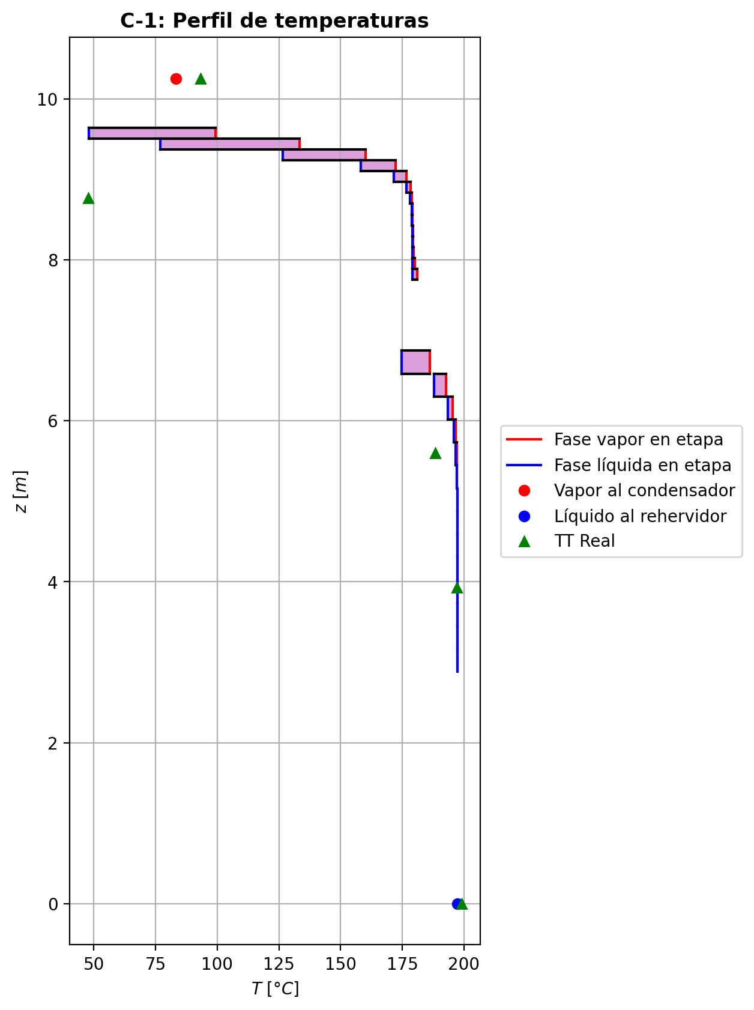
Agotamiento | 23 | 4.8756 | 4.5906 | - | - | 25.0513217 | 49.9066685 | 25.05268765 | 49.9066685 | 19.2335866 | - | - | 0.000829842215 | 0.0005837710065 | 0.000930190279 | 0.000148087155 | 0.000169846383 | 0.000169846383 | 4.47382587 | 0.61144807104 | -0.0123278974 | 0.0150597942 | 0.0027318968 | -0.012329492202 | 0.99996027042 | 1.5948021446E-06 | -0.012328361403 | 1.0003317262 | 4.6400279021E-07 | - | - | 197.341225 | 197.350206 | 197.329437 | 197.327963 | 197.327963 | 57.86522352 | 8890.165044 | -3079.34683 | 13.1191938 | -3092.46602 | 252.013579 | -3331.36041 | - | - | -237287.575 | -272547.744 | - | - | 14.7122254 |  |  |  |  |  |  |  |  | 0.413638587 | 48.1612749 | 0.41363859656 | 48.161275369 | 0.013011251724 | 8.54208468E-05 | 0.013011251318 | 8.5420842872E-05 | 53.090917762 | 80.748456445 | 0.12915352756 | 2.4014477137 | 0.058619909435 | 0.4887074277 | 496329.07261 | 380.81908804 | 6.5154743811 | 0.604610038 | 6.59401748 | 0.60461353246 | 6.5940179309 | 538.63237743 | 128.71480509 | 538.66474641 | 128.71490456 | 0.00082575920817 | 0.00082576050135 | 3.0006863798E-05 | 3.001716221E-05 | 4.4738294002 | 0.611448521 | 57.865270386 | 8890.1718651 | 424.32684507 | 422.49204865 | -240892.85926 | -272578.29214 | 1.0003504318 | -38408.959622 | -237452.27243 | -62758.766962 | -272583.38226 | -3102.4806417 | -3331.3659991 | 3.3065987634E-05 | -0.012274982095 | 0.0027609354558 | -3075.8375294 | 0.00093018821199 | 0.00014808685567 | 197.32944518
Agotamiento | 24 | 4.5906 | 4.3056 | - | - | 25.0540536 | 49.9078274 | 25.0546331 | 49.9078274 | 19.2342506 | - | - | 0.000337699798 | 0.000237395349 | 0.000378591496 | 6.02671957E-05 | 6.91386466E-05 | 6.91386466E-05 | 4.474311838 | 0.61146761933 | -0.00502590769 | 0.00618482578 | 0.00115891809 | -0.0050261828118 | 0.99998175477 | 2.7512176444E-07 | -0.005025987816 | 1.0001364636 | 8.0126028263E-08 | - | - | 197.359187 | 197.363062 | 197.354482 | 197.353872 | 197.353872 | 57.8760948 | 8891.84304 | -1266.0325 | 5.23766463 | -1271.27017 | 104.425119 | -1370.45762 | - | - | -237384.609 | -272566.782 | - | - | 14.7124529 |  |  |  |  |  |  |  |  | 0.413639343 | 48.1635825 | 0.41363934973 | 48.163582854 | 0.01301178744 | 8.542927584E-05 | 0.013011787116 | 8.5429272182E-05 | 53.116727187 | 80.745683127 | 0.12914269396 | 2.4022332046 | 0.058620656441 | 0.48874021449 | 496305.23566 | 380.84796684 | 6.5153135199 | 0.604581646 | 6.59345703 | 0.60458379236 | 6.5934574395 | 538.69623886 | 128.7098672 | 538.70991082 | 128.70996706 | 0.00082580220013 | 0.00082580349492 | 3.0005382128E-05 | 3.0015680035E-05 | 4.4743153905 | 0.61146807523 | 57.876142026 | 8891.8499783 | 424.34149408 | 422.50681283 | -240961.19996 | -272597.32963 | 1.0001427347 | -38403.320926 | -237451.62203 | -62756.636569 | -272581.28978 | -1275.5853675 | -1370.4587258 | 3.307026632E-05 | -0.005004244819 | 0.0011856987078 | -1268.1303777 | 0.0003785910259 | 6.0267127968E-05 | 197.35448909
Agotamiento | 25 | 4.3056 | 4.0206 | - | - | 25.0552126 | 49.9083458 | 25.05547175 | 49.9083458 | 19.2345215 | - | - | 0.0001370909 | 9.62092658E-05 | 0.000153755271 | 2.44752491E-05 | 2.80913374E-05 | 2.80913374E-05 | 4.4744801494 | 0.61147835304 | -0.00204856751 | 0.00256694125 | 0.00051837374 | -0.0020486173824 | 0.99999007171 | 4.9872356935E-08 | -0.0020485820718 | 1.0000572134 | 1.456181163E-08 | - | - | 197.366937 | 197.368733 | 197.365121 | 197.364862 | 197.364862 | 57.88070604 | 8892.547056 | -526.835847 | 2.02124614 | -528.857093 | 44.3027849 | -571.138632 | - | - | -237424.159 | -272574.507 | - | - | 14.7126805 |  |  |  |  |  |  |  |  | 0.413643317 | 48.164496 | 0.41364332369 | 48.164496371 | 0.013011911244 | 8.543296944E-05 | 0.01301191093 | 8.5432965826E-05 | 53.127397456 | 80.744591457 | 0.12913848083 | 2.4025525778 | 0.058621020583 | 0.48875255028 | 496294.29007 | 380.85705589 | 6.5152576208 | 0.604569706 | 6.59319851 | 0.60457132099 | 6.5931989406 | 538.72270179 | 128.70824454 | 538.72875404 | 128.70834418 | 0.00082582376092 | 0.00082582505319 | 3.0004867363E-05 | 3.0015164989E-05 | 4.4744837048 | 0.61147881131 | 57.880753828 | 8892.5540291 | 424.34747061 | 422.51283371 | -240989.0529 | -272605.05459 | 1.0000580079 | -38400.996269 | -237451.35147 | -62755.71234 | -272580.40212 | -530.85663565 | -571.13856477 | 3.3071841129E-05 | -0.0020397229253 | 0.000547846927 | -532.09790796 | 0.00015375513117 | 2.4475228493E-05 | 197.36512752
Agotamiento | 26 | 4.0206 | 3.7356 | - | - | 25.0557309 | 49.9086031 | 25.05585955 | 49.9086031 | 19.2346321 | - | - | 5.53276316E-05 | 3.866605745E-05 | 6.21189589E-05 | 9.88820225E-06 | 1.13620089E-05 | 1.13620089E-05 | 4.4745190998 | 0.61148551648 | -0.000834930196 | 0.00109221394 | 0.000257283744 | -0.00083494014415 | 0.99999300775 | 9.9481480265E-09 | -0.00083493311926 | 1.0000253049 | 2.9232601892E-09 | - | - | 197.370529 | 197.37148 | 197.36989 | 197.369774 | 197.369774 | 57.8827566 | 8892.853848 | -225.515196 | 0.711908329 | -226.227105 | 19.8043075 | -245.319504 | - | - | -237440.273 | -272577.621 | - | - | 14.7129081 |  |  |  |  |  |  |  |  | 0.413648592 | 48.1648407 | 0.41364859989 | 48.164841051 | 0.013011867468 | 8.54347356E-05 | 0.013011867119 | 8.5434731848E-05 | 53.131866092 | 80.744185498 | 0.12913696832 | 2.4026817787 | 0.058621229468 | 0.4887565368 | 496288.59448 | 380.85809267 | 6.5152445848 | 0.604564492 | 6.5930628 | 0.60456589776 | 6.5930632179 | 538.73392409 | 128.70797547 | 538.73686712 | 128.70807561 | 0.0008258365937 | 0.00082583789099 | 3.00047472E-05 | 3.0015044877E-05 | 4.4745226441 | 0.61148597959 | 57.882804389 | 8892.8608411 | 424.34991065 | 422.51529026 | -241000.40101 | -272608.16824 | 1.0000234645 | -38400.028163 | -237451.23597 | -62755.278605 | -272580.00528 | -227.28620695 | -245.31940447 | 3.3072315508E-05 | -0.00083132324018 | 0.00028578674458 | -231.58021228 | 6.2118904768E-05 | 9.8881939991E-06 | 197.36989585
Agotamiento | 27 | 3.7356 | 3.4506 | - | - | 25.0559882 | 49.9087537 | 25.0560635 | 49.9087537 | 19.2346772 | - | - | 2.20044833E-05 | 1.5214071405E-05 | 2.47722273E-05 | 3.94328336E-06 | 4.54393834E-06 | 4.54393834E-06 | 4.4745053879 | 0.6114912321 | -0.000340279693 | 0.000490876185 | 0.000150596492 | -0.00034028198419 | 0.99999371976 | 2.2911857826E-09 | -0.0003402803773 | 1.0000127623 | 6.8430117387E-10 | - | - | 197.372431 | 197.373042 | 197.372266 | 197.372208 | 197.372208 | 57.88375992 | 8892.99864 | -102.627991 | 0.184401199 | -102.812392 | 9.82072208 | -112.448713 | - | - | -237446.835 | -272578.855 | - | - | 14.7131357 |  |  |  |  |  |  |  |  | 0.413654389 | 48.1649534 | 0.41365439714 | 48.164953869 | 0.013011755724 | 8.543571588E-05 | 0.01301175538 | 8.543571189E-05 | 53.133798384 | 80.744058936 | 0.12913655892 | 2.4027334443 | 0.058621376037 | 0.48875712132 | 496285.04162 | 380.85585511 | 6.5152489838 | 0.604562018 | 6.59297711 | 0.6045633532 | 6.5929775732 | 538.73892836 | 128.70825829 | 538.74059596 | 128.70835803 | 0.0008258458677 | 0.00082584716048 | 3.0004787678E-05 | 3.0015085409E-05 | 4.4745089113 | 0.61149168805 | 57.883807877 | 8893.0056322 | 424.35090563 | 422.51629368 | -241005.02175 | -272609.40252 | 1.0000093844 | -38399.614163 | -237451.18338 | -62755.03844 | -272579.80856 | -103.4925221 | -112.44867132 | 3.3072315508E-05 | -0.00033880934394 | 0.000182079699 | -109.82197718 | 2.4772203467E-05 | 3.9432796333E-06 | 197.372272
Agotamiento | 28 | 3.4506 | 3.1656 | - | - | 25.0561388 | 49.9088601 | 25.056192 | 49.9088601 | 19.2346958 | - | - | 8.42365951E-06 | 5.656248825E-06 | 9.551636E-06 | 1.52044933E-06 | 1.76524478E-06 | 1.76524478E-06 | 4.474470229 | 0.61149633869 | -0.000138680944 | 0.000245071767 | 0.000106390823 | -0.00013868154577 | 0.99999348833 | 6.0177296758E-10 | -0.00013868113181 | 1.0000081587 | 1.8780584494E-10 | - | - | 197.373653 | 197.3741345 | 197.373667 | 197.373634 | 197.373634 | 57.88433232 | 8893.0773 | -52.3466407 | -0.0156631954 | -52.3309776 | 5.75205184 | -58.0986926 | - | - | -237449.504 | -272579.322 | - | - | 14.7133633 |  |  |  |  |  |  |  |  | 0.41366038 | 48.1649717 | 0.4136603883 | 48.164972052 | 0.013011617088 | 8.543637612E-05 | 0.01301161673 | 8.5436372782E-05 | 53.134688022 | 80.744046422 | 0.12913660378 | 2.4027535011 | 0.05862149908 | 0.48875631457 | 496282.35668 | 380.85229226 | 6.515260414 | 0.604560653 | 6.5929118 | 0.60456199228 | 6.5929122005 | 538.74137943 | 128.70876422 | 538.74250956 | 128.70886442 | 0.00082585366478 | 0.00082585496331 | 3.0004893075E-05 | 3.0015190725E-05 | 4.4744737678 | 0.61149680304 | 57.884380358 | 8893.0843077 | 424.35131598 | 422.51670476 | -241006.90011 | -272609.87069 | 1.0000036457 | -38399.427042 | -237451.15574 | -62754.899119 | -272579.69323 | -52.867305522 | -58.098678419 | 3.3072187004E-05 | -0.00013808172057 | 0.00013341643852 | -58.653967536 | 9.5516245956E-06 | 1.5204475266E-06 | 197.37367325
Agotamiento | 29 | 3.1656 | 2.8806 | 25.0563318 | - | 25.0562452 | 49.9089467 | 16.704192334 | 49.9089467 | 19.2347034 | 6.33142185E-07 | - | 2.88883814E-06 | 2.4985237983E-06 | 3.34853964E-06 | 5.33029813E-07 | 6.32795152E-07 | 6.32795152E-07 | 4.4744265039 | 0.61150118297 | -5.65192148E-05 | 0.000143118072 | 8.65988572E-05 | -5.6519431169E-05 | 1.8676592274 | 2.1636930562E-10 | -5.6519269599E-05 | 1.0000067613 | 5.4799337005E-11 | 197.375521 | - | 197.374616 | 197.37492767 | 197.374671 | 197.374647 | 197.374647 | 57.88471932 | 8893.128672 | -31.3703224 | -0.0608808911 | -31.3094416 | 4.09389698 | -35.4642194 | -237451.01686 | - | -237450.585 | -272579.478 | 14.7138185 | - | 14.7135909 |  |  |  |  |  |  |  |  | 0.413666405 | 48.1649514 | 0.41366658217 | 48.164951808 | 0.013011469344 | 8.543690604E-05 | 0.013011460925 | 8.543690229E-05 | 53.13514769 | 80.744080184 | 0.12913682902 | 2.4027606799 | 0.058621599752 | 0.48875494604 | 496280.03173 | 253.89870434 | 6.5152744575 | 0.604559718 | 6.5928548 | 0.60456111318 | 6.5928552427 | 538.74275423 | 128.70935617 | 359.16250151 | 128.70945611 | 0.00082586080196 | 0.00082586209648 | 3.0005022403E-05 | 3.0015320119E-05 | 2.9829522276 | 0.61150164305 | 38.589851941 | 8893.1356594 | 424.35148365 | 398.39219641 | -241007.51869 | -272610.02682 | 1.0000013069 | -38399.339816 | -237451.14401 | -62754.773534 | -272579.61126 | -31.813249389 | -35.464217905 | 1.7643197851E-05 | -2.6049728273E-05 | 6.0549570904E-05 | -19.378473264 | 3.667589021E-06 | 5.8381678871E-07 | 197.37466314

Exportar_resultados_ACM
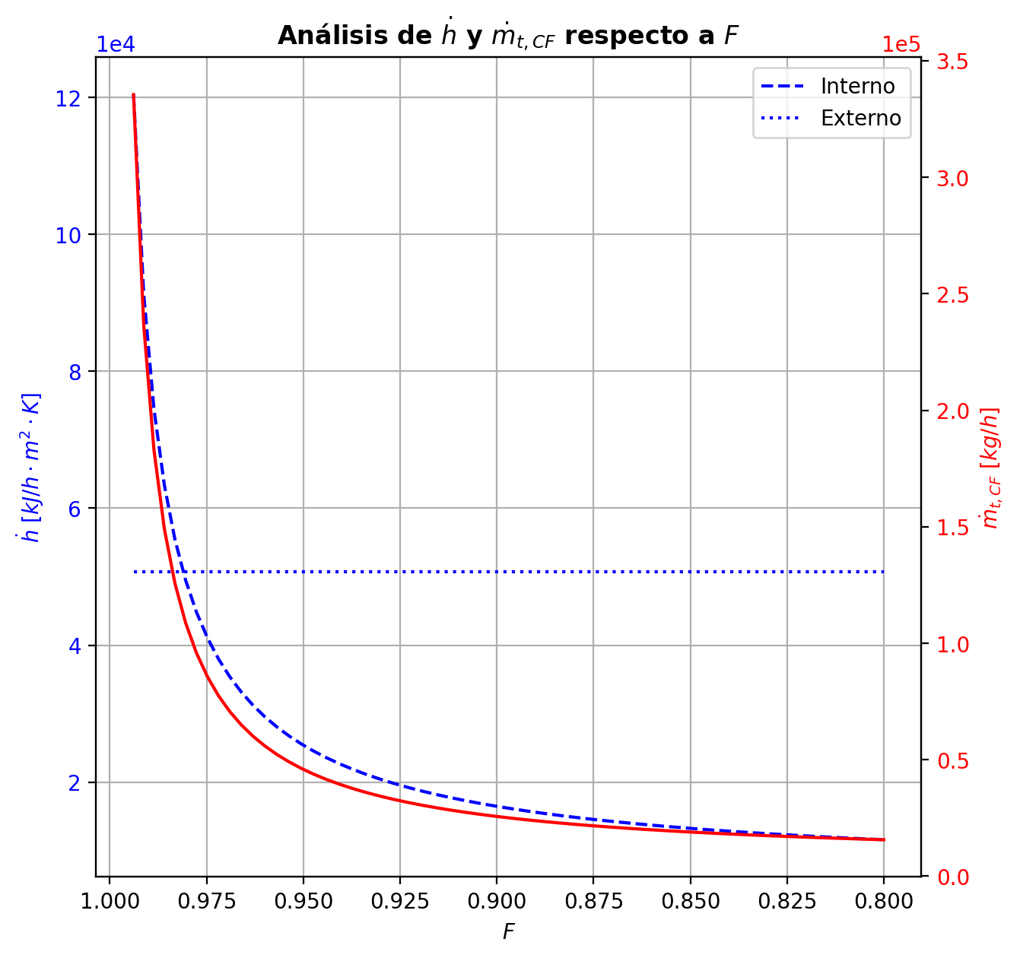

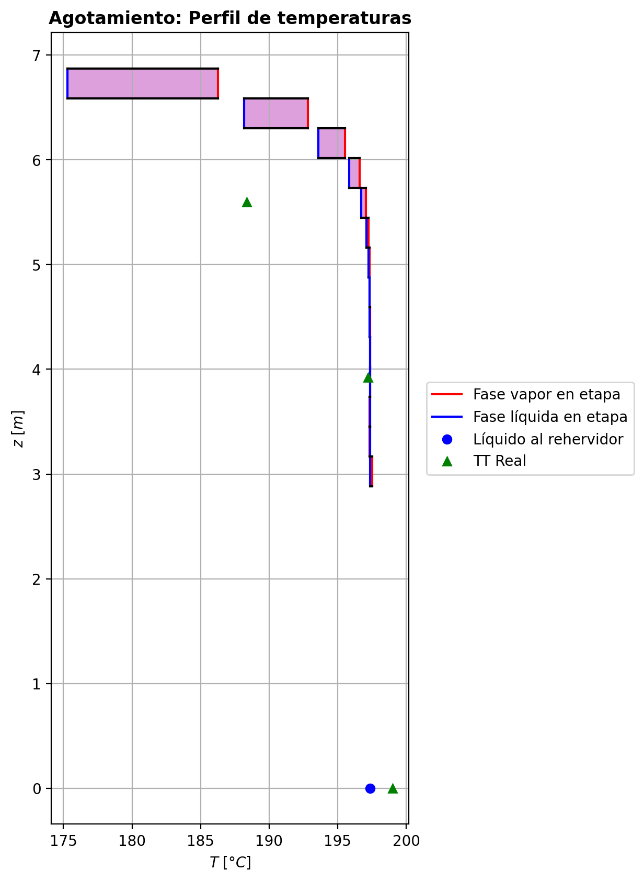
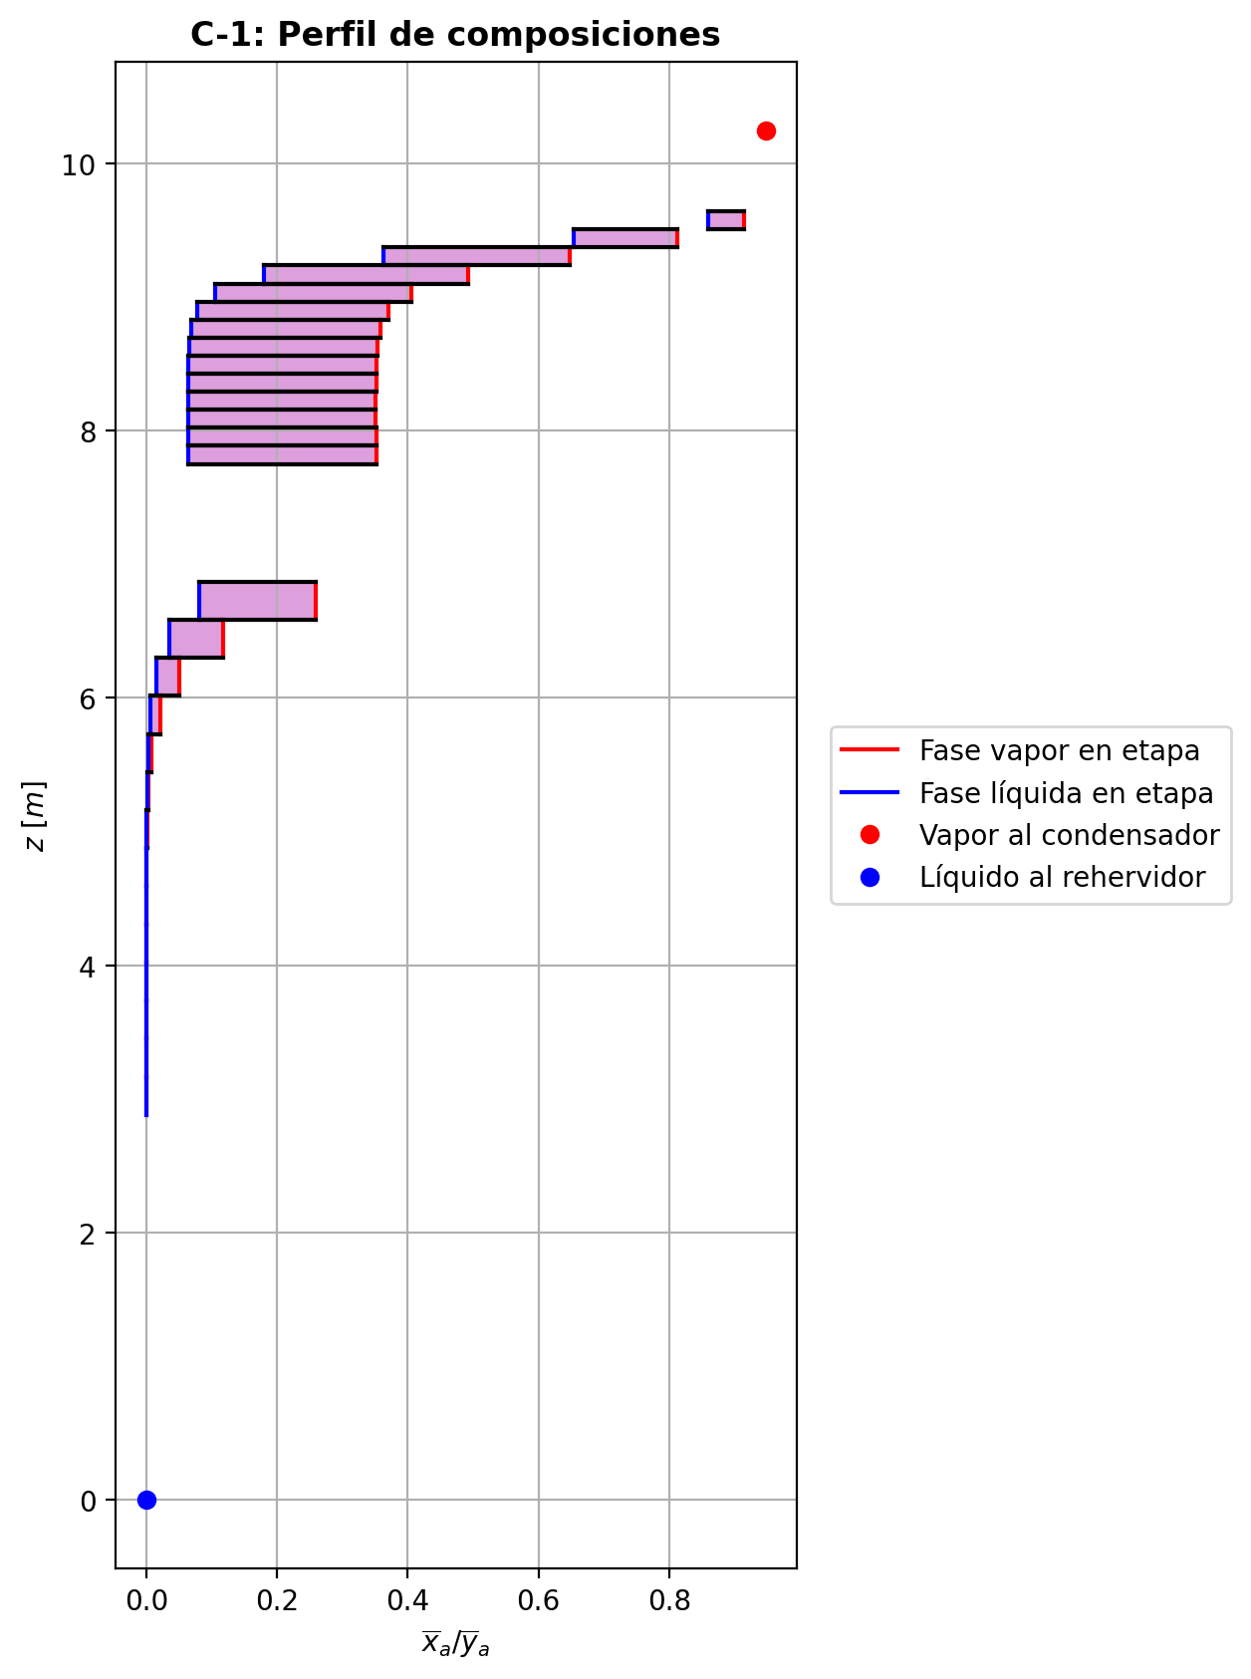
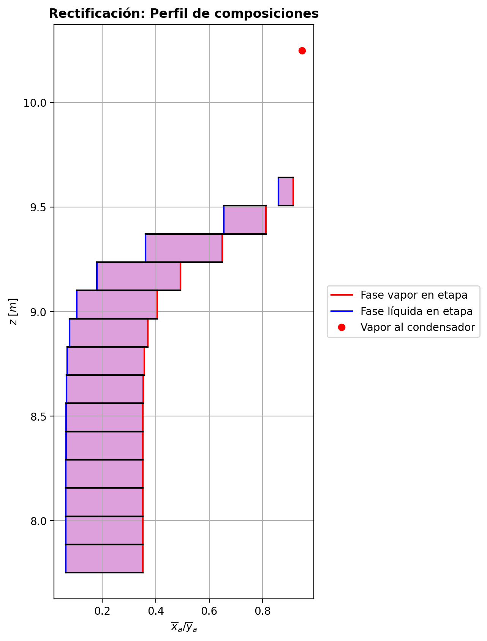

$${\left[N_{t}=N_{a}+N_{w} \right]}_{2}$$
$${\left[N_{t}=N_{a}+N_{w} \right]}_{ps1+ps2−3}$$
$$F_{fría}^{l}+F_{caliente}^{l}=P_{fría}^{l}+P_{caliente}^{l}$$
$${\left[J_{a}^{g}=Γ^{g,b}ρ^{g,b}k_{bm}^{g}a_{ef}A_{tr}Z\left(y_{a}^{b}−y_{a}^{I}\right)\right]}_{2}$$
$${\left(N_{t}\right)}_{2}=V_{3}−V_{2}=L_{2}−{\left(L_{1}−P^{l}\right)}_{E−3}$$
$${\left[J_{a}^{g}=Γ^{g,b}ρ^{g,b}k_{bm}^{g}a_{ef}A_{tr}Z\left(y_{a}^{b}−y_{a}^{I}\right)\right]}_{s}$$
$${\left[N_{t}=N_{a}+N_{w} \right]}_{s}$$
$${\left[J_{a}^{g}=Γ^{g,b}ρ^{g,b}k_{bm}^{g}a_{ef}A_{tr}Z\left(y_{a}^{b}−y_{a}^{I}\right)\right]}_{ps1+ps2−3}$$
Caso | 1 |  |  | Economizador E-1 |  |  |  |  |  |  |  |  | Condensador E-3 (s=1) |  |  |  |  |  |  |  |  | s=2 |  |  |  |  |  |  |  |  |  |  |  |  |  |  | s={3,…,ps1+ps2-4} |  |  |  |  |  |  |  |  |  |  |  |  |  |  |  | s=ps1+ps2-3 |  |  |  |  |  |  |  |  |  |  |  |  |  |  | Rehervidor E-2 (s=ps1+ps2-2)
ps1 | 16 |  | Representación y balances |  |  |  |  |  |  |  |  |  |  |  |  |  |  |  |  |  |  | Atr [m2] | 0.159043 |  |  |  |  |  |  |  |  |  |  |  |  |  | s |  | Atr [m2] | 0.159043 |  |  |  |  |  |  |  |  |  |  |  |  | Atr [m2] | 0.159043
ps2 | 16 |  |  | Pl [kmol/h]= | 24.834344289 | Fl [kmol/h]= | 31.867507426 | Balance de Masa Total [kmol/h] |  |  |  |  | V2 [kmol/h]= | 30.823982709 | Pl Fría [kmol/h]= | 5264.5159903 | Balance de Masa Total [kmol/h] |  |  |  |  |  | V2 [kmol/h]= | 30.823982709 |  |  | L1-Pl en E-3 [kmol/h]= | 23.790819572 |  | Balance de Masa Total [kmol/h] |  |  |  |  |  |  |  |  | Vs [kmol/h]= | #VALUE! |  |  | Ls-1 [kmol/h]= | #VALUE! |  | Balance de Masa Total [kmol/h] |  |  |  |  |  |  |  |  | Vps1+ps2-3 [kmol/h]= | 24.923650618 |  |  | Lps1+ps2-4 [kmol/h]= | 49.757994907 |  | Balance de Masa Total [kmol/h] |  |  |  |  |  | Lps1+ps2-3 [kmol/h]= | 49.752639375 |  |  |  |  | Balance de Masa Total [kmol/h]
$$V_{2}=L_{1}$$
$${\left[J_{a}^{l}=Γ^{l,b}ρ^{l,b}k_{bm}^{l}a_{ef}A_{tr}Z\left(x_{a}^{I}−x_{a}^{b}\right)\right]}_{2}$$
$${\left[J_{a}^{l}=Γ^{l,b}ρ^{l,b}k_{bm}^{l}a_{ef}A_{tr}Z\left(x_{a}^{I}−x_{a}^{b}\right)\right]}_{s}$$
$${\left(N_{t}\right)}_{s}=V_{s+1}−V_{s}=L_{s}−L_{s−1}−F_{s}^{l}$$
$${\left[J_{a}^{l}=Γ^{l,b}ρ^{l,b}k_{bm}^{l}a_{ef}A_{tr}Z\left(x_{a}^{I}−x_{a}^{b}\right)\right]}_{ps1+ps2−3}$$
$${\left(N_{t}\right)}_{ps1+ps2−3}=−V_{ps1+ps2−3}+F_{ps1+ps2−3}^{g}=L_{ps1+ps2−3}−L_{ps1+ps2−4}−F_{ps1+ps2−3}^{l}$$
$$L_{ps1+ps2−3}=P_{ps1+ps2−2}^{g}+P_{ps1+ps2−2}^{l}$$
flowmode1 | VPLUG |  |  | T [°C]= | 57.199308437 | T [°C]= | 22 |  |  |  |  |  | T [°C]= | 82.947016572 | T [°C]= | 31.773670191 |  |  |  |  |  |  | T [°C]= | 82.947016572 |  |  | T [°C]= | 40.33916865 |  |  |  |  |  |  |  |  |  |  | T [°C]= | #VALUE! |  |  | T [°C]= | #VALUE! |  |  |  |  |  |  |  |  |  |  | T [°C]= | 197.30571089 |  |  | T [°C]= | 197.36171781 |  |  |  |  |  |  |  | T [°C]= | 197.3621106 |  |  | Pg [kmol/h]= | 24.918295086
$$F_{fría}^{l}=P_{fría}^{l}$$
$${\left[Q^{g}=k_{h}^{g}a_{ef}A_{tr}Z\left(T^{g,b}−T^{I}\right)\right]}_{2}$$
$${\left[Q^{g}=k_{h}^{g}a_{ef}A_{tr}Z\left(T^{g,b}−T^{I}\right)\right]}_{s}$$
$${\left[Q^{g}=k_{h}^{g}a_{ef}A_{tr}Z\left(T^{g,b}−T^{I}\right)\right]}_{ps1+ps2−3}$$
$${f_{v}\left(L−P^{l}\right)}_{ps1+ps2−2}=P_{ps1+ps2−2}^{g}$$
flowmode2 | VPLUG |  |  | P [bar]= | 14.83457944 | P [bar]= | 18.6326 |  | 56.701851715 | = | 56.701851715 |  | P [bar]= | 14.7091358 | P [bar]= | 3.43233 |  |  |  |  |  |  | P [bar]= | 14.7091358 |  |  | P [bar]= | 14.7091358 |  |  | -3.717203621 | = | -3.717203621 | = | -3.717203621 |  |  |  | P [bar]= | #VALUE! |  |  | P [bar]= | #VALUE! |  |  | #VALUE! | = |  | = | #VALUE! |  |  |  | P [bar]= | 14.709680539 |  |  | P [bar]= | 14.709647771 |  |  | -0.005355531872 | = | -0.005355531872 | = | -0.005355531872 | P [bar]= | 14.709680539 |  |  | T [°C]= | 197.76194865
$${\left[Q^{l}=k_{h}^{l}a_{ef}A_{tr}Z\left(T^{I}−T^{l,b}\right)\right]}_{2}$$
$${\left[Q^{l}=k_{h}^{l}a_{ef}A_{tr}Z\left(T^{I}−T^{l,b}\right)\right]}_{s}$$
$${\left[Q^{l}=k_{h}^{l}a_{ef}A_{tr}Z\left(T^{I}−T^{l,b}\right)\right]}_{ps1+ps2−3}$$
simtype | 0 |  |  | xa molar= | 6.4605617897E-07 | xa molar= | 0.209146 |  |  |  |  |  | ya molar= | 0.94764553791 | xa molar= | 0 |  | 30.823982709 | = | 30.823982709 |  | z top [m]= | ya molar= | 0.94764553791 |  |  | xa molar= | 0.94764553791 |  |  |  |  |  |  |  |  |  | z top [m]= | ya molar= | #VALUE! |  |  | xa molar= | #VALUE! |  |  |  |  |  |  |  |  |  | z top [m]= | ya molar= | 2.9431309014E-06 |  |  | xa molar= | 1.7966549507E-06 |  |  |  |  |  |  |  | xa molar= | 6.4605617897E-07 |  |  | P [bar]= | 14.83457944 |  | 49.752639375 | = | 49.752639375
$${\left(N_{a}\right)}_{ps1+ps2−3}=−{\left(Vy_{a}\right)}_{ps1+ps2−3}+{\left(F^{g}y_{a}\right)}_{ps1+ps2−3}={\left(Lx_{a}\right)}_{ps1+ps2−3}−{\left(Lx_{a}\right)}_{ps1+ps2−4}−{\left(F^{l}x_{a}\right)}_{ps1+ps2−3}$$
pborde1 | - |  |  | h [kJ/kmol]= | -283384.18933 | h [kJ/kmol]= | -243450.36743 | Balance de Masa Amoníaco [kmol/h] |  |  |  |  | h [kJ/kmol]= | -55110.642857 | h [kJ/kmol]= | -285316.3377 |  | 5264.5159903 | = | 5264.5159903 |  | 9.6416 | h [kJ/kmol]= | -55110.642857 |  |  | h [kJ/kmol]= | -77917.059227 |  | Balance de Masa Amoníaco [kmol/h] |  |  |  |  |  |  |  | #VALUE! | h [kJ/kmol]= | #VALUE! |  |  | h [kJ/kmol]= | #VALUE! |  | Balance de Masa Amoníaco [kmol/h] |  |  |  |  |  |  |  | 3.1656 | h [kJ/kmol]= | -237453.71483 |  |  | h [kJ/kmol]= | -272580.28131 |  | Balance de Masa Amoníaco [kmol/h] |  |  |  |  |  | h [kJ/kmol]= | -272580.49099 |  |  | ya molar= | 6.4605617897E-07 |  | 24.918295086 | = | 24.918295086
$${\left(F^{l}x_{a,F}\right)}_{fría}+{\left(F^{l}x_{a,F}\right)}_{caliente}={\left(P^{l}x_{a,P}\right)}_{fría}+{\left(P^{l}x_{a,P}\right)}_{caliente}$$
$${\left(N_{a}\right)}_{2}={\left(Vy_{a}\right)}_{3}−{\left(Vy_{a}\right)}_{2}={\left(Lx_{a}\right)}_{2}−{\left[\left(L_{1}−P^{l}\right)x_{a}\right]}_{E−3}$$
$${\left(N_{a}\right)}_{s}={\left(Vy_{a}\right)}_{s+1}−{\left(Vy_{a}\right)}_{s}={\left(Lx_{a}\right)}_{s}−{\left(Lx_{a}\right)}_{s−1}−{\left(F^{l}x_{a}\right)}_{s}$$
nborde1 | - |  |  |  |  |  |  |  |  |  |  |  |  |  |  |  |  |  |  |  |  |  |  |  | TI [°C]= | 47.63941886 |  |  |  |  |  |  |  |  |  |  | NO APLICA |  |  |  | TI [°C]= | #VALUE! |  |  |  |  |  |  |  |  |  |  | NO APLICA |  |  |  | TI [°C]= | 197.36211991 |  |  |  |  |  |  |  |  |  |  |  |  |  | h [kJ/kmol]= | -237446.58395
$${\left(N_{a}\right)}_{2}={\left(J_{a}^{g}\right)}_{2}+{\left(N_{t}y_{a}^{b}\right)}_{2}={\left(J_{a}^{l}\right)}_{2}+{\left(N_{t}x_{a}^{b}\right)}_{2}$$
$${\left(N_{a}\right)}_{s}={\left(J_{a}^{g}\right)}_{s}+{\left(N_{t}y_{a}^{b}\right)}_{s}={\left(J_{a}^{l}\right)}_{s}+{\left(N_{t}x_{a}^{b}\right)}_{s}$$
$${\left(N_{a}\right)}_{ps1+ps2−3}={\left(J_{a}^{g}\right)}_{ps1+ps2−3}+{\left(N_{t}y_{a}^{b}\right)}_{ps1+ps2−3}={\left(J_{a}^{l}\right)}_{ps1+ps2−3}+{\left(N_{t}x_{a}^{b}\right)}_{ps1+ps2−3}$$
pborde2 | - |  |  |  |  |  |  |  | 6.6649777525 | = | 6.6649777525 |  |  |  |  |  | Balance de Masa Amoníaco [kmol/h] |  |  |  |  |  | V2b [kmol/h]= | 28.965380898 | yaI molar= | 0.99934297211 | L2b [kmol/h]= | 20.073615951 |  |  |  |  |  |  |  |  | Fl Alimentación [kmol/h]= | #VALUE! | Vsb [kmol/h]= | #VALUE! | yaI molar= | #VALUE! | Lsb [kmol/h]= | #VALUE! |  |  |  |  |  |  |  |  | Fl Alimentación [kmol/h]= | - | Vps1+ps2-3b [kmol/h]= | 24.920972852 | yaI molar= | 3.4190210313E-06 | Lps1+ps2-3b [kmol/h]= | 49.752639375 |  |  |  |  |  |  |  |  |  |  |  |  |  | Balance de Masa Amoníaco [kmol/h]
$${\left(Vy_{a}\right)}_{2}={\left(Lx_{a}\right)}_{1}$$
$${\left(Lx_{a}\right)}_{ps1+ps2−3}={\left(P^{g}y_{a}\right)}_{ps1+ps2−2}+{\left(P^{l}y_{a}\right)}_{ps1+ps2−2}$$
nborde2 | - |  |  | Q̇ [kJ/h]= |  |  |  |  |  |  |  |  | Q̇ [kJ/h]= |  |  |  |  |  |  |  |  |  | Tg,b [°C]= | 97.387911744 | xaI molar= | 0.81851453588 | Tl,b [°C]= | 47.234360385 |  |  | -5.2958570048 | = | -5.2958570048 | = | -5.2958570048 |  | T [°C]= | #VALUE! | Tg,b [°C]= | #VALUE! | xaI molar= | #VALUE! | Tl,b [°C]= | #VALUE! |  |  | #VALUE! | = |  | = | #VALUE! |  | T [°C]= | - | Tg,b [°C]= | 197.53382977 | xaI molar= | 5.4419996074E-07 | Tl,b [°C]= | 197.3621106 |  |  | -5.7254947799E-05 | = | -5.7254947799E-05 | = | -5.7254947799E-05
$$\dot{Q}={{\left(P^{l}h_{P}\right)}_{fría}−\left(F^{l}h_{F}\right)}_{fría}$$
$${\left(F^{l}x_{a,F}\right)}_{fría}={\left(P^{l}x_{a,P}\right)}_{fría}$$
$${\left[\left(L−P^{l}\right)x_{a}\right]}_{ps1+ps2−2}={\left(P^{g}y_{a}\right)}_{ps1+ps2−2}$$
Molar RR | 3.3826628375 |  |  | 268302.76415 |  |  |  | Balance de Energía [kJ/h] |  |  |  |  | 702984.58384 |  |  |  |  |  |  |  |  |  | P [bar]= | 14.7091358 | Na [kmol/h]= | -5.2958570048 | P [bar]= | 14.7091358 |  |  | -5.2958570048 | = | -5.2958570048 | = | -5.2958570048 |  | P [bar]= | #VALUE! | P [bar]= | #VALUE! | Na [kmol/h]= | #VALUE! | P [bar]= | #VALUE! |  |  | #VALUE! | = | #VALUE! | = | #VALUE! |  | P [bar]= | - | P [bar]= | 14.709680539 | Na [kmol/h]= | -5.7254947799E-05 | P [bar]= | 14.709680539 |  |  | -5.7254947799E-05 | = | -5.7254947799E-05 | = | -5.7254947799E-05
Molar fv Reboiler | 1 |  |  |  |  |  |  |  |  |  |  |  |  |  |  |  |  | 29.210209675 | = | 29.210209675 |  |  | yab molar= | 0.91493664295 | Nw [kmol/h]= | 1.5786533838 | xab molar= | 0.85930741367 |  |  |  |  |  |  |  |  | xa molar= | #VALUE! | yab molar= | #VALUE! | Nw [kmol/h]= | #VALUE! | xab molar= | #VALUE! |  |  |  |  |  |  |  |  | xa molar= | - | yab molar= | 1.7945935402E-06 | Nw [kmol/h]= | -0.0052982769242 | xab molar= | 6.4605617897E-07 |  |  |  |  |  |  |  |  |  |  |  |  |  |  | 3.2143000088E-05 | = | 3.2143000088E-05
$$\dot{Q}={\left(F^{l}h_{F}\right)}_{caliente}−{\left(P^{l}h_{P}\right)}_{caliente}$$
$$E_{ps1+ps2−3}=−{\left(Vh\right)}_{ps1+ps2−3}+{\left(F^{g}h\right)}_{ps1+ps2−3}={\left(Lh\right)}_{ps1+ps2−3}−{\left(Lh\right)}_{ps1+ps2−4}−{\left(F^{l}h\right)}_{ps1+ps2−3}$$
Mass xa Distillate | 0.9447853843 |  |  |  |  |  |  |  |  |  |  |  | L1 [kmol/h]= | 30.823982709 | Fl Fría [kmol/h]= | 5264.5159903 |  | 0 | = | 0 |  |  |  |  | Nt [kmol/h]= | -3.717203621 |  |  |  | Balance de Energía [kJ/h] |  |  |  |  |  |  | h [kJ/kmol]= | #VALUE! |  |  | Nt [kmol/h]= | #VALUE! |  |  |  | Balance de Energía [kJ/h] |  |  |  |  |  |  | h [kJ/kmol]= | - |  |  | Nt [kmol/h]= | -0.005355531872 |  |  |  | Balance de Energía [kJ/h] |  |  |  |  |  |  |  |  |  |  |  |  | 1.609861851E-05 | = | 1.609861851E-05
$$\dot{Q}=n_{tb}UA_{ext}ΔT_{ln}$$
$$E_{2}={\left(Vh\right)}_{3}−{\left(Vh\right)}_{2}={\left(Lh\right)}_{2}−{\left[\left(L_{1}−P^{l}\right)h\right]}_{E−3}$$
$$E_{s}={\left(Vh\right)}_{s+1}−{\left(Vh\right)}_{s}={\left(Lh\right)}_{s}−{\left(Lh\right)}_{s−1}−{\left(F^{l}h\right)}_{s}$$
$$E_{ps1+ps2−3}={\left(Q^{g}\right)}_{ps1+ps2−3}+{\left(ΣN_{i}{\hat{h}}_{i}^{g,b}\right)}_{ps1+ps2−3}={\left(Q^{l}\right)}_{ps1+ps2−3}+{\left(ΣN_{i}{\hat{h}}_{i}^{l,b}\right)}_{ps1+ps2−3}$$
Mass xa Bottoms | 6.1074116337E-07 |  |  | Fl=Pl en E-2 [kmol/h]= | 24.834344289 | Pl=Fl Alimentación [kmol/h]= | 31.867507426 |  |  |  |  |  | T [°C]= | 40.33916865 | T [°C]= | 30 |  |  |  |  |  |  |  |  | E [kJ/h]= | -110827.45036 |  |  |  |  |  |  |  |  |  |  |  |  |  |  | E [kJ/h]= | #VALUE! |  |  |  |  |  |  |  |  |  |  |  |  |  |  | E [kJ/h]= | 1449.3802477
$$E_{2}={\left(Q^{g}\right)}_{2}+{\left(ΣN_{i}{\hat{h}}_{i}^{g,b}\right)}_{2}={\left(Q^{l}\right)}_{2}+{\left(ΣN_{i}{\hat{h}}_{i}^{l,b}\right)}_{2}$$
$$E_{s}={\left(Q^{g}\right)}_{s}+{\left(ΣN_{i}{\hat{h}}_{i}^{g,b}\right)}_{s}={\left(Q^{l}\right)}_{s}+{\left(ΣN_{i}{\hat{h}}_{i}^{l,b}\right)}_{s}$$
 |  |  |  | T [°C]= | 197.36094886 | T [°C]= | 121.39823879 |  | 268302.76415 | = | 268302.76415 |  | P [bar]= | 14.7091358 | P [bar]= | 3.43233 | Balance de Energía [kJ/h] |  |  |  |  | z lower [m]= | V3 [kmol/h]= | 27.106779088 |  |  | L2 [kmol/h]= | 20.073615951 |  |  |  |  |  |  |  |  |  | z lower [m]= | Vs+1 [kmol/h]= |  |  |  | Ls [kmol/h]= | #VALUE! |  |  |  |  |  |  |  |  |  | z lower [m]= |  |  | Fg=Pg en E-2 [kmol/h]= | 24.918295086 | Lps1+ps2-3 [kmol/h]= | 49.752639375 |  |  |  |  |  |  |  |  |  |  |  |  | Q̇ [kJ/h]= | Balance de Energía [kJ/h]
$$\dot{Q}={\left(Vh\right)}_{2}−{\left(Lh\right)}_{1}$$
$${\left(Lh\right)}_{ps1+ps2−3}={\left(P^{g}h\right)}_{ps1+ps2−2}+{\left(P^{l}h\right)}_{ps1+ps2−2}−\dot{Q}$$
 |  |  |  | P [bar]= | 14.83457944 | P [bar]= | 18.6326 |  | 268302.76415 | = | 268302.76415 |  | xa molar= | 0.94764553791 | xa molar= | 0 |  |  |  |  |  | 9.5066 | T [°C]= | 111.82880692 |  |  | T [°C]= | 47.234360385 |  |  | -110827.45036 | = | -110827.45036 | = | -110827.45036 |  |  | #VALUE! | T [°C]= |  |  |  | T [°C]= | #VALUE! |  |  | #VALUE! | = |  | = | #VALUE! |  |  | 2.8806 |  |  | T [°C]= | 197.76194865 | T [°C]= | 197.3621106 |  |  | 1449.3802477 | = | 1449.3802477 | = | 1449.3802477 |  |  |  |  |  | 875477.06307
$$n_{tb}UA_{ext}ΔT_{ln}$$
$$\dot{Q}={{\left(P^{l}h_{P}\right)}_{fría}−\left(F^{l}h_{F}\right)}_{fría}$$
$$\dot{Q}={\left(P^{g}h\right)}_{ps1+ps2−2}−{\left[\left(L−P^{l}\right)h\right]}_{ps1+ps2−2}$$
 |  |  |  | xa molar= | 6.4605617897E-07 | xa molar= | 0.209146 |  |  | = | 268302.76415 |  | h [kJ/kmol]= | -77917.059227 | h [kJ/kmol]= | -285449.87031 |  |  |  |  |  |  | P [bar]= | 14.709147302 |  |  | P [bar]= | 14.7091358 |  |  | -110827.45036 | = | -110827.45036 | = | -110827.45036 |  |  |  | P [bar]= |  |  |  | P [bar]= | #VALUE! |  |  | #VALUE! | = | #VALUE! | = | #VALUE! |  |  |  |  |  | P [bar]= | 14.83457944 | P [bar]= | 14.709680539 |  |  | 1449.3802477 | = | 1449.3802477 | = | 1449.3802477
 |  |  |  | h [kJ/kmol]= | -272580.49099 | h [kJ/kmol]= | -235031.04675 |  |  |  |  |  |  |  |  |  |  | 702984.58384 | = | 702984.58384 |  | Z [m]= | ya molar= | 0.88222774799 |  |  | xa molar= | 0.85930741367 |  |  |  |  |  |  |  |  |  | Z [m]= | ya molar= |  |  |  | xa molar= | #VALUE! |  |  |  |  |  |  |  |  |  | Z [m]= |  |  | ya molar= | 6.4605617897E-07 | xa molar= | 6.4605617897E-07 |  |  |  |  |  |  |  |  |  |  |  |  |  |  | -13561598.869 | = | -13561598.869
 |  |  |  |  | Caliente | Fría |  | LV-1 | % Apertura | 0.142857 |  |  | L1-Pl [kmol/h]= | 23.790819572 | Pl [kmol/h]= | 7.0331631365 |  | 702984.58384 | = | 702984.58384 |  | 0.135 | h [kJ/kmol]= | -66756.620069 |  |  | h [kJ/kmol]= | -97866.679965 |  |  |  |  |  |  |  |  |  | #VALUE! | h [kJ/kmol]= |  |  |  | h [kJ/kmol]= | #VALUE! |  |  |  |  |  |  |  |  |  | 0.285 |  |  | h [kJ/kmol]= | -237446.58395 | h [kJ/kmol]= | -272580.49099 |  |  |  |  |  |  |  | Pl [kmol/h]= | 24.834344289 | Lps1+ps2-2-Pl [kmol/h]= | 24.918295086 |  |  |  | 875477.06307 | = | 875477.06307
 |  |  |  |  |  |  |  |  | q̇ [m3/h] | 0.45411100963 |  |  | T [°C]= | 40.33916865 | T [°C]= | 40.33916865 |  |  |  |  |  |  |  | Vapor |  |  | Líquido |  |  |  |  |  |  |  |  |  |  |  |  | Vapor |  |  | Líquido |  |  |  |  |  |  |  |  |  |  |  |  | Vapor |  |  | Líquido |  |  |  |  |  |  |  |  | T [°C]= | 197.36094886 | T [°C]= | 197.36094886
 |  |  |  |  | Factor de corrección F | 0.73641988972 |  |  |  |  |  |  | P [bar]= | 14.7091358 | P [bar]= | 14.7091358 | Relación |  |  |  |  | Transferencia de masa y calor |  |  |  |  |  |  |  |  |  |  |  |  |  |  |  | Transferencia de masa y calor |  |  |  |  |  |  |  |  |  |  |  |  |  |  |  | Transferencia de masa y calor |  |  |  |  |  |  |  |  |  |  |  |  |  | P [bar]= | 14.83457944 | P [bar]= | 14.83457944 |  |  | Relación
$$RR=\frac{L_{1}−{\left(P^{l}\right)}_{1}}{{\left(P^{l}\right)}_{1}}$$
$$f_{v}=\frac{P_{ps1+ps2−2}^{g}}{{\left(L−P^{l}\right)}_{ps1+ps2−2}}$$
 |  |  |  |  | ḣint [kJ/h·m2·K] | 6899.6654093 |  |  |  |  |  |  | xa molar= | 0.94764553791 | xa molar= | 0.94764553791 |  |  |  |  |  | Difusión |  | Convección |  | aef [m2/m3] | 512.09061891 | khg [kJ/h·m2·°C] | 71.490562636 |  |  |  |  |  |  |  |  | Difusión |  | Convección |  | aef [m2/m3] | #VALUE! | khg [kJ/h·m2·°C] | #VALUE! |  |  |  |  |  |  |  |  | Difusión |  | Convección |  | aef [m2/m3] | 422.38782926 | khg [kJ/h·m2·°C] | 57.535108975 |  |  |  |  |  |  | xa molar= | 6.4605617897E-07 | xa molar= | 6.4605617897E-07
 |  |  |  |  | ḣext [kJ/h·m2·K] | 1048.8691756 |  |  |  |  |  |  | h [kJ/kmol]= | -77917.059227 | h [kJ/kmol]= | -77917.059227 |  | 3.3826628375 | = | 3.3826628375 |  | Jag [kmol/h]= | -1.8948512026 | Ntyab [kmol/h]= | -3.4010058022 | kbmg [m/h] | 3.9018269077 | khl [kJ/h·m2·°C] | 2725.119309 |  |  |  |  |  |  |  |  | Jag [kmol/h]= | #VALUE! | Ntyab [kmol/h]= | #VALUE! | kbmg [m/h] | #VALUE! | khl [kJ/h·m2·°C] | #VALUE! |  |  |  |  |  |  |  |  | Jag [kmol/h]= | -5.7245336796E-05 | Ntyab [kmol/h]= | -9.6110029018E-09 | kbmg [m/h] | 4.4532333586 | khl [kJ/h·m2·°C] | 8864.9483664 |  |  |  |  |  |  | h [kJ/kmol]= | -272580.49099 | h [kJ/kmol]= | -272580.49099
 |  |  |  |  |  |  |  |  |  |  |  |  |  |  |  |  |  |  |  |  |  | Jal [kmol/h]= | -2.1016363751 | Ntxab [kmol/h]= | -3.1942206297 | kbml [m/h] | 0.10784244157 |  |  |  |  |  |  |  |  |  |  | Jal [kmol/h]= | #VALUE! | Ntxab [kmol/h]= | #VALUE! | kbml [m/h] | #VALUE! |  |  |  |  |  |  |  |  |  |  | Jal [kmol/h]= | -5.7251487825E-05 | Ntxab [kmol/h]= | -3.4599744576E-09 | kbml [m/h] | 0.60952212007 |  |  |  |  |  |  |  |  |  |  |  |  |  |  |  | 1 | = | 1
 |  |  |  |  |  |  |  |  |  |  |  |  |  | Factor de corrección F | 0.97760762911 |  | PV-2 | % Apertura | 0.196599 |  |  | Qg [kJ/h]= | 39104.234723 | ΣNiĥig,b [kJ/h]= | -149931.68509 | Γg,b | 1 |  |  |  |  |  |  |  |  |  |  | Qg [kJ/h]= | #VALUE! | ΣNiĥig,b [kJ/h]= | #VALUE! | Γg,b | #VALUE! |  |  |  |  |  |  |  |  |  |  | Qg [kJ/h]= | 189.14679828 | ΣNiĥig,b [kJ/h]= | 1260.2334494 | Γg,b | 1 |  |  |  |  |  |  |  |  | Q̇ [kJ/h] mediante la suposición de estado cuasi-estacionario del aceite térmico= |  |  |  |  | 895784.76622
$$\dot{Q}={\overline{L}}_{t66}\left[{\overline{h}}_{t66}\left(TT−6\right)−{\overline{h}}_{t66}\left(TT−7\right)\right]$$
 |  |  |  |  |  |  |  |  |  |  |  |  |  |  |  |  |  | q̇ [m3/h] | 95.298377246 |  |  | Ql [kJ/h]= | 12136.637823 | ΣNiĥil,b [kJ/h]= | -122964.08819 | Γl,b | 1.1594655159 |  |  |  |  |  |  |  |  |  |  | Ql [kJ/h]= | #VALUE! | ΣNiĥil,b [kJ/h]= | #VALUE! | Γl,b | #VALUE! |  |  |  |  |  |  |  |  |  |  | Ql [kJ/h]= | 1.579487662 | ΣNiĥil,b [kJ/h]= | 1447.8007601 | Γl,b | 1.0000013344
 |  |  |  |  |  |  |  |  |  |  |  |  |  |  |  |  |  |  |  |  |  |  |  |  |  |  |  |  |  |  |  |  |  |  |  |  |  |  |  |  |  |  |  |  |  |  |  |  |  |  |  |  |  |  |  |  |  |  |  |  |  |  |  |  |  |  |  | TT-6 [°C]= | 224.8002 | FIC-1 [m3/h]= | 84.4479
Economizador |  |  |  |  |  |  |  |  |  |  |  |  |  |  |  |  |  |  |  |  |  |  |  |  |  |  |  |  |  |  |  |  |  |  |  |  |  |  |  |  |  |  |  |  |  |  |  |  |  |  |  |  |  |  |  |  |  |  |  |  |  |  |  |  |  |  |  | TT-7 [°C]= | 219.4579 | FIC-1 [kmol/h]= | 291.6980604
Ubicación | Flujos |  |  |  | Masa |  |  |  | Energía |  |  |  |  |  |  |  |  | Hidráulica
Equipo | Fl Fría [kmol/h] | Pl Fría [kmol/h] | Fl Caliente [kmol/h] | Pl Caliente [kmol/h] | xa molar en Fl Fría | xa molar en Pl Fría | xa molar en Fl Caliente | xa molar en Pl Caliente | Tl en Fl Fría [°C] | Tl en Pl Fría [°C] | Tl en Fl Caliente [°C] | Tl en Pl Caliente [°C] | Q̇ [kJ/h] | hl en Fl Fría [kJ/kmol] | hl en Pl Fría [kJ/kmol] | hl en Fl Caliente [kJ/kmol] | hl en Pl Caliente [kJ/kmol] | P en Fl Fría [bar] | P en Pl Fría [bar] | P en Fl Caliente [bar] | P en Pl Caliente [bar]
Economizador E-1 | 31.867507426 | 31.867507426 | 24.834344289 | 24.834344289 | 0.209146 | 0.209146 | 6.4605617897E-07 | 6.4605617897E-07 | 22 | 121.39823879 | 197.36094886 | 57.199308437 | 268302.76415 | -243450.36743 | -235031.04675 | -272580.49099 | -283384.18933 | 18.6326 | 18.6326 | 14.83457944 | 14.83457944

Condensador y Rehervidor |  |  |  |  |  |  |  |  |  |  |  |  |  |  |  |  |  |  |  |  |  |  |  |  | Corriente fría de Condensador
Ubicación |  |  | Flujos |  |  |  | Masa |  |  |  | Energía |  |  |  |  |  |  |  |  | Hidráulica |  |  |  |  | Flujos |  | Masa |  | Energía |  |  |  | Hidráulica
Equipo | s | z [m] | V [kmol/h] | L [kmol/h] | Pg [kmol/h] | Pl [kmol/h] | ya molar en V | xa molar en L | ya molar en Pg | xa molar en Pl | Tg en V [°C] | Tl en L [°C] | Tg en Pg [°C] | Tl en Pl [°C] | Q̇ [kJ/h] | hg en V [kJ/kmol] | hl en L [kJ/kmol] | hg en Pg [kJ/kmol] | hl en Pl [kJ/kmol] | P en V [bar] | P en L [bar] | P en Pg [bar] | P en Pl [bar] |  | Fl Fría [kmol/h] | Pl Fría [kmol/h] | xa molar en Fl Fría | xa molar en Pl Fría | Tl en Fl Fría [°C] | Tl en Pl Fría [°C] | hl en Fl Fría [kJ/kmol] | hl en Pl Fría [kJ/kmol] | P en Fl Fría [bar] | P en Pl Fría [bar]
Condensador E-3 | 1 | 10.2497 | - | 30.823982709 | - | 7.0331631365 | - | 0.94764553791 | - | 0.94764553791 | - | 40.33916865 | - | 40.33916865 | -702984.58384 | - | -77917.059227 | - | -77917.059227 | - | 14.7091358 | - | 14.7091358 |  | 5264.5159903 | 5264.5159903 | 0 | 0 | 30 | 31.773670191 | -285449.87031 | -285316.3377 | 3.43233 | 3.43233
Rehervidor E-2 | 30 | 0 | - | 49.752639375 | 24.918295086 | 24.834344289 | - | 6.4605617897E-07 | 6.4605617897E-07 | 6.4605617897E-07 | - | 197.36094886 | 197.76194865 | 197.36094886 | 875477.06307 | - | -272580.49099 | -237446.58395 | -272580.49099 | - | 14.83457944 | 14.83457944 | 14.83457944

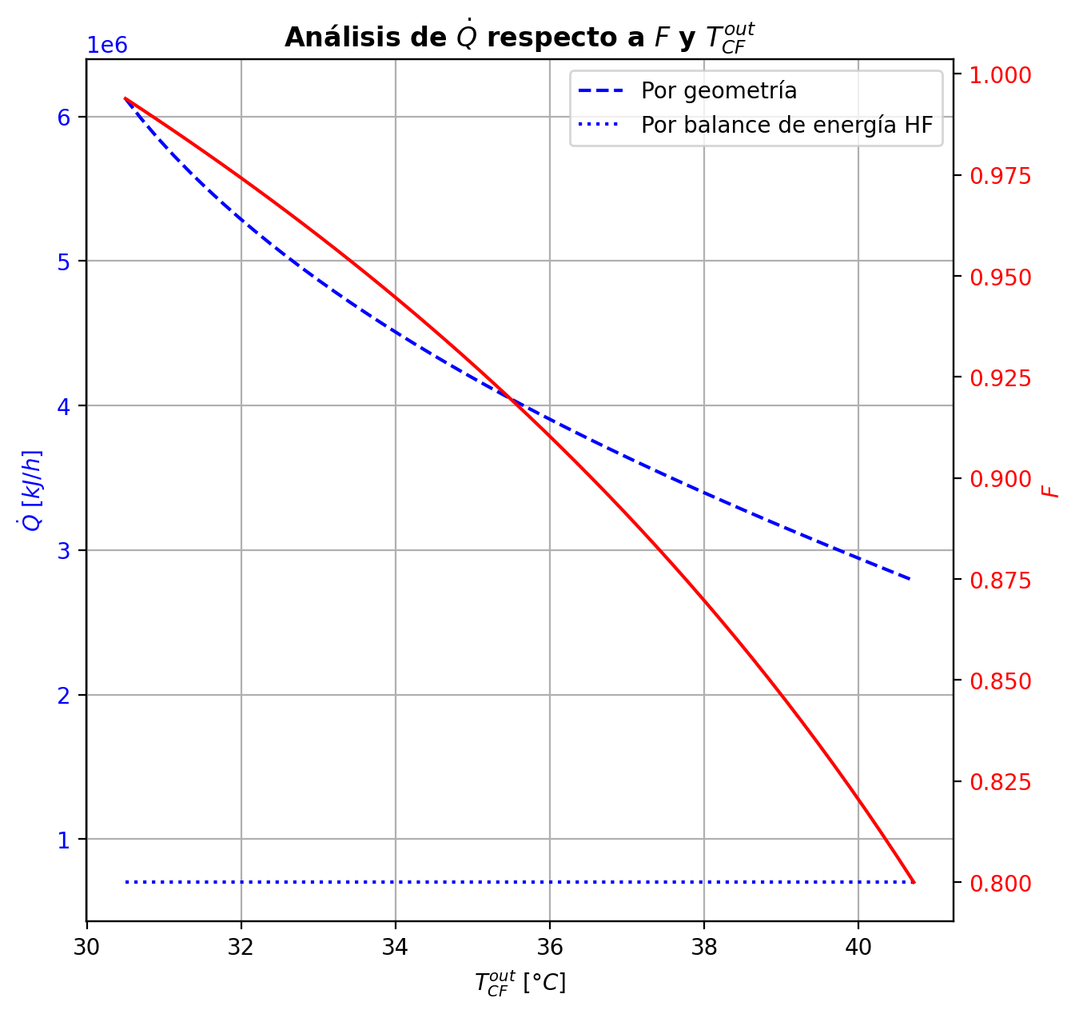
Etapas |  |  |  |  |  |  |  |  |  |  |  |  |  |  |  |  |  |  |  |  |  |  |  |  |  |  |  |  |  |  |  |  |  |  |  |  |  |  |  |  |  |  |  |  |  |  |  |  |  |  |  |  | Real | Simulación T [°C] |  | Ubicación
Ubicación de etapa |  |  |  | Flujos (cumplir balances de matería y energía ME) |  |  |  |  |  | Área R | Transferencia de masa RM |  |  |  |  |  |  |  |  |  |  |  |  |  |  |  |  |  |  | Transferencia de energía RE, cumplir equilibrio Q |  |  |  |  |  |  |  |  |  |  |  |  |  |  |  |  |  | Hidráulica H |  |  |  |  |  | g | l | Etapa | Posición [m]
Zona | s | z top [m] | z lower [m] | Fg [kmol/h] | Fl [kmol/h] | V [kmol/h] | L [kmol/h] | Vb [kmol/h] | Lb [kmol/h] | aefAtrZ [m2] | ya molar en Fg | xa molar en Fl | ya molar en V | yab molar | yaI molar | xaI molar | xab molar | xa molar en L | kbmg [m/h] | kbml [m/h] | Na [kmol/h] | Nw [kmol/h] | Nt [kmol/h] | Jag [kmol/h] | Γg,b≈1 | Ntyab [kmol/h] | Jal [kmol/h] | Γl,b | Ntxab [kmol/h] | Tg en Fg [°C] | Tl en Fl [°C] | Tg [°C] | Tg,b [°C] | TI [°C] | Tl,b [°C] | Tl [°C] | khg [kJ/h·m2·°C] | khl [kJ/h·m2·°C] | E [kJ/h] | Qg [kJ/h] | ΣNiĥig,b [kJ/h] | Ql [kJ/h] | ΣNiĥil,b [kJ/h] | hg en Fg [kJ/kmol] | hl en Fl [kJ/kmol] | hg en V [kJ/kmol] | hl en L [kJ/kmol] | P en Fg [bar] | P en Fl [bar] | P [bar] |  | TT1 [°C] | 199.0108 | - | 197.36094886 | 30 | 10.2497
Rectificación | 2 | 9.6416 | 9.5066 | - | - | 30.823982709 | 20.073615951 | 28.965380898 | 20.073615951 | 10.994997821 | - | - | 0.94764553791 | 0.91493664295 | 0.99934297211 | 0.81851453588 | 0.85930741367 | 0.85930741367 | 3.9018269077 | 0.10784244157 | -5.2958570048 | 1.5786533838 | -3.717203621 | -1.8948512026 | 1 | -3.4010058022 | -2.1016363751 | 1.1594655159 | -3.1942206297 | - | - | 82.947016572 | 97.387911744 | 47.63941886 | 47.234360385 | 47.234360385 | 71.490562636 | 2725.119309 | -110827.45036 | 39104.234723 | -149931.68509 | 12136.637823 | -122964.08819 | - | - | -55110.642857 | -97866.679965 | - | - | 14.7091358 |  | TT2 [°C] | 197.202 | 197.35384719 | 197.35908478 | 26 | 8.7696
Rectificación | 3 | 9.5066 | 9.3716 | - | - | 27.106779088 | 16.083698514 | 25.111820369 | 16.083698514 | 10.948512583 | - | - | 0.88222774799 | 0.81284141237 | 0.99315116245 | 0.58884480338 | 0.65416561245 | 0.65416561245 | 3.6979437031 | 0.090501334443 | -6.7280045169 | 2.73808708 | -3.9899174369 | -3.4848343922 | 1 | -3.2431701247 | -4.1179377331 | 1.5367532761 | -2.6100667838 | - | - | 111.82880692 | 128.95200468 | 70.432945722 | 69.281500049 | 69.281500049 | 61.304156713 | 2054.5508791 | -333114.4425 | 39277.368044 | -372391.81054 | 25900.936936 | -359015.37943 | - | - | -66756.620069 | -142855.9848 | - | - | 14.709147302 |  | TT3 [°C] | 188.3716 | 197.06103308 | 196.73831759 | 20 | 5.5946
Rectificación | 4 | 9.3716 | 9.2366 | - | - | 23.116861651 | 14.473299488 | 22.311662138 | 14.473299488 | 10.680609788 | - | - | 0.74345507675 | 0.64853663796 | 0.89987181554 | 0.3101833718 | 0.36214433683 | 0.36214433683 | 3.532139272 | 0.12334769084 | -5.2799790442 | 3.6695800179 | -1.6103990263 | -4.2355762739 | 1 | -1.0444027703 | -4.6967821568 | 1.53466478 | -0.5831968874 | - | - | 146.07520245 | 156.39720958 | 119.6908345 | 117.39938563 | 117.39938563 | 53.593620429 | 1869.350381 | -638282.40003 | 21011.189653 | -659293.58968 | 45750.614355 | -684033.01438 | - | - | -92688.680138 | -202851.8095 | - | - | 14.709157054 |  | TT4 [°C] | 47.7219 | 178.89906657 | 178.14239673 | 8 | 3.9246
Rectificación | 5 | 9.2366 | 9.1016 | - | - | 21.506462624 | 14.434593036 | 21.487109398 | 14.434593036 | 10.501484308 | - | - | 0.55361819917 | 0.49260364806 | 0.65543068664 | 0.15205548105 | 0.18014389667 | 0.18014389667 | 3.5342961385 | 0.15803852582 | -2.6411196086 | 2.6024131565 | -0.038706452081 | -2.6220526691 | 1 | -0.019066939498 | -2.6341468775 | 1.2281482883 | -0.0069727311041 | - | - | 166.71921672 | 170.80316199 | 155.68120407 | 153.81692856 | 153.81692856 | 50.699904836 | 2070.304315 | -504979.30928 | 8051.2971796 | -513030.60646 | 40531.713961 | -545511.02324 | - | - | -129307.81988 | -238379.72371 | - | - | 14.70916573 |  | TT5 [°C] | 93.3627 | 82.947016572 | - | 1 | 0
Rectificación | 6 | 9.1016 | 8.9666 | - | - | 21.467756172 | 14.536617963 | 21.518768636 | 14.536617963 | 10.513130518 | - | - | 0.43158909695 | 0.40567081132 | 0.47436150636 | 0.093447521724 | 0.10499231604 | 0.10499231604 | 3.5950789057 | 0.16851836966 | -1.074070649 | 1.1760955762 | 0.1020249272 | -1.115459184 | 1 | 0.041388534993 | -1.0847824824 | 1.137238607 | 0.010711833401 | - | - | 174.88710726 | 176.31708358 | 170.94366205 | 170.11534544 | 170.11534544 | 50.267960154 | 2245.9579031 | -233846.9551 | 2839.7115595 | -236686.66666 | 19558.252062 | -253405.20716 | - | - | -153063.64942 | -252793.41208 | - | - | 14.709174284
Rectificación | 7 | 8.9666 | 8.8316 | - | - | 21.5697811 | 14.579806315 | 21.591375275 | 14.579806315 | 10.539027935 | - | - | 0.37975252568 | 0.37034956989 | 0.39514758507 | 0.073744107348 | 0.077928502996 | 0.077928502996 | 3.6277230014 | 0.17113068014 | -0.39005070721 | 0.43323905865 | 0.043188351438 | -0.40604549459 | 1 | 0.015994787379 | -0.39341631079 | 1.1101012738 | 0.0033656035744 | - | - | 177.7470599 | 178.23618483 | 176.38955151 | 176.09437468 | 176.09437468 | 50.241801598 | 2318.6158545 | -86436.299433 | 977.79188473 | -87414.091318 | 7212.9283307 | -93649.227764 | - | - | -163181.07465 | -257973.08093 | - | - | 14.709183002 |  |  |  | Rectificación | Agotamiento |  | Simbología
Rectificación | 8 | 8.8316 | 8.6966 | - | - | 21.612969451 | 14.593789283 | 21.619960935 | 14.593789283 | 10.550771296 | - | - | 0.36094661409 | 0.35770791579 | 0.36623211137 | 0.067152850368 | 0.068600636745 | 0.068600636745 | 3.639760862 | 0.17180925436 | -0.13503924271 | 0.14902221146 | 0.013982968748 | -0.14004106132 | 1 | 0.0050018186076 | -0.13599848327 | 1.1004203934 | 0.00095924055972 | - | - | 178.72530977 | 178.89906657 | 178.24208515 | 178.14239673 | 178.14239673 | 50.240238881 | 2345.0160738 | -29684.503873 | 348.24828953 | -30032.752162 | 2466.4638089 | -32150.967682 | - | - | -166854.2755 | -259759.95574 | - | - | 14.709191813 |  | Transferencia de masa | Na [kmol/h] | -21.617098189 | -7.5930953864 |  | l-v
Rectificación | 9 | 8.6966 | 8.5616 | - | - | 21.62695242 | 14.597483897 | 21.628799726 | 14.597483897 | 10.555092676 | - | - | 0.3544692175 | 0.3533763385 | 0.35625076211 | 0.064941887614 | 0.065434119427 | 0.065434119427 | 3.6439272637 | 0.17199720184 | -0.04596973273 | 0.049664346096 | 0.0036946133658 | -0.047275321674 | 1 | 0.0013055889434 | -0.046211486503 | 1.0970359943 | 0.00024175377221 | - | - | 179.07282337 | 179.14697104 | 178.86650626 | 178.83306173 | 178.83306173 | 50.237093241 | 2353.9980911 | -9821.1713747 | 148.71846054 | -9969.8898353 | 830.985156 | -10652.156531 | - | - | -168118.96528 | -260367.00958 | - | - | 14.709200657 |  |  | Nw [kmol/h] | 12.358877066 | 10.945628887 |  | v-l
Rectificación | 10 | 8.5616 | 8.4266 | - | - | 21.630647033 | 14.597157647 | 21.630483908 | 14.597157647 | 10.556650012 | - | - | 0.35228345951 | 0.35192512314 | 0.35286739156 | 0.064199554548 | 0.064365730219 | 0.064365730219 | 3.6454975915 | 0.17203813919 | -0.015616793534 | 0.015290544174 | -0.00032624936021 | -0.015501978188 | 1 | -0.00011481534627 | -0.015595794256 | 1.0958804038 | -2.0999278303E-05 | - | - | 179.22111872 | 179.27309557 | 179.0764907 | 179.06526623 | 179.06526623 | 50.231900223 | 2356.7953102 | -2906.0126364 | 104.25574262 | -3010.268379 | 279.26340525 | -3185.2760416 | - | - | -168544.28944 | -260571.90956 | - | - | 14.709209512 |  |  | Nt [kmol/h] | -9.2582211235 | 3.3525335005
Rectificación | 11 | 8.4266 | 8.2916 | - | - | 21.630320784 | 14.59437294 | 21.62892843 | 14.59437294 | 10.557295542 | - | - | 0.35156678677 | 0.35146436298 | 0.35173368285 | 0.063951610487 | 0.064007364738 | 0.064007364738 | 3.6463298225 | 0.1720196689 | -0.0054093592116 | 0.002624651753 | -0.0027847074586 | -0.0044306337786 | 1 | -0.00097872543304 | -0.0052311174256 | 1.0954911981 | -0.00017824178599 | - | - | 179.32507241 | 179.38919298 | 179.14668077 | 179.14292864 | 179.14292864 | 50.223293644 | 2357.3024853 | -277.72493219 | 128.58534808 | -406.31028027 | 93.378162376 | -371.10309457 | - | - | -168681.18062 | -260640.65807 | - | - | 14.709218373 |  |  | Jag [kmol/h] | -13.950324917 | -8.2869081317
Rectificación | 12 | 8.2916 | 8.1566 | - | - | 21.627536076 | 14.588825289 | 21.624762251 | 14.588825289 | 10.557716142 | - | - | 0.35136193919 | 0.35135911326 | 0.35136654432 | 0.063871409343 | 0.063889716658 | 0.063889716658 | 3.647137588 | 0.17195855767 | -0.0020714378115 | -0.0034762132501 | -0.0055476510616 | -0.00012222005381 | 1 | -0.0019492177577 | -0.001716999957 | 1.0953633425 | -0.00035443785444 | - | - | 179.45331354 | 179.555398 | 179.16940825 | 179.16818796 | 179.16818796 | 50.208631269 | 2356.7185151 | 1116.3947983 | 204.60872101 | 911.78607726 | 30.362724467 | 1086.0320738 | - | - | -168715.74086 | -260663.24718 | - | - | 14.709227235 |  |  | Ntyab [kmol/h] | -7.6667732724 | 0.69381274533
Rectificación | 13 | 8.1566 | 8.0216 | - | - | 21.621988425 | 14.579005169 | 21.617078366 | 14.579005169 | 10.558207901 | - | - | 0.35135628733 | 0.3514100204 | 0.35126870616 | 0.063850052428 | 0.063855394712 | 0.063855394712 | 3.6483217231 | 0.17184335699 | -0.0011277844801 | -0.0086923350507 | -0.0098201195308 | 0.0023231039245 | 1 | -0.0034508884046 | -0.00050071687134 | 1.0953262097 | -0.00062706760876 | - | - | 179.65748246 | 179.83092743 | 179.1754822 | 179.17514599 | 179.17514599 | 50.183462618 | 2355.2192731 | 2463.1748393 | 347.28597543 | 2115.8888639 | 8.3605146357 | 2454.8143247 | - | - | -168707.39663 | -260669.87105 | - | - | 14.709236101 |  |  | Jal [kmol/h] | -15.233775198 | -7.8091883088
Rectificación | 14 | 8.0216 | 7.8866 | - | - | 21.612168306 | 14.561982451 | 21.603656947 | 14.561982451 | 10.558977731 | - | - | 0.35146375347 | 0.35157629041 | 0.35128025817 | 0.063852587352 | 0.063852965609 | 0.063852965609 | 3.6502970596 | 0.17164134943 | -0.0011223649246 | -0.015900353033 | -0.017022717957 | 0.0048624191076 | 1 | -0.0059847840322 | -3.5413900307E-05 | 1.0953239541 | -0.0010869510243 | - | - | 180.00437241 | 180.30329862 | 179.17479405 | 179.17481027 | 179.17481027 | 50.140259216 | 2352.4675991 | 4429.4899182 | 597.46403783 | 3832.0258804 | -0.4030038704 | 4429.8929221 | - | - | -168670.08209 | -260670.40805 | - | - | 14.709244971 |  |  | Ntxab [kmol/h] | -6.3833229913 | 0.21609292242
Rectificación | 15 | 7.8866 | 7.7516 | - | - | 21.595145588 | 14.532598449 | 21.580453586 | 14.532598449 | 10.560279956 | - | - | 0.35168882736 | 0.35188993507 | 0.35136070446 | 0.063870169763 | 0.063867850241 | 0.063867850241 | 3.6536887735 | 0.17129187065 | -0.0016599433371 | -0.027724059296 | -0.029384002633 | 0.0086799914415 | 1 | -0.010339934779 | 0.0002167497425 | 1.0953408322 | -0.0018766930796 | - | - | 180.60222483 | 181.1195831 | 179.16984705 | 179.17007607 | 179.17007607 | 50.066315408 | 2347.666778 | 7699.2319866 | 1030.8533444 | 6668.3786422 | -5.6777951584 | 7704.9097817 | - | - | -168597.9239 | -260667.67681 | - | - | 14.709253848 |  | Transferencia de energía | E [kJ/h] | -1934467.978 | -2283566.5655
Agotamiento | 16 | 6.8706 | 6.5856 | - | 31.867507426 | 21.565761585 | 48.753406189 | 22.742411742 | 48.753406189 | 18.640915887 | - | 0.209146 | 0.35209104279 | 0.25867989013 | 0.39707627492 | 0.074194225698 | 0.081083344016 | 0.081083344016 | 3.9109571698 | 0.57098104367 | -3.6400383235 | 5.993338638 | 2.3533003146 | -4.2487897903 | 1 | 0.60875146681 | -3.8308517824 | 1.1133648582 | 0.19081345898 | - | 121.39823879 | 181.63694137 | 186.25769265 | 176.26382304 | 175.29750868 | 175.29750868 | 52.250743115 | 7723.1690059 | -1269994.8949 | 9734.046062 | -1279728.941 | 139117.32562 | -1409112.2205 | - | -235031.04675 | -168470.63184 | -257377.4466 | - | 18.6326 | 14.709262737 |  |  | Qg [kJ/h] | 114171.61296 | 17648.949334
Agotamiento | 17 | 6.5856 | 6.3006 | - | - | 23.9190619 | 49.350629269 | 24.21767344 | 49.350629269 | 18.926464515 | - | - | 0.16526873747 | 0.11805540988 | 0.18625986419 | 0.031271150198 | 0.035193081589 | 0.035193081589 | 4.2554945932 | 0.59912296379 | -2.2162884836 | 2.813511564 | 0.59722308034 | -2.2867938992 | 1 | 0.070505415538 | -2.2373066042 | 1.0596386741 | 0.021018120593 | - | - | 190.87844393 | 192.81741646 | 188.49379614 | 188.1659518 | 188.1659518 | 55.188897136 | 8335.5401614 | -576468.76898 | 4516.1541754 | -580984.92316 | 51721.479454 | -628190.24844 | - | - | -204990.99822 | -265943.84229 | - | - | 14.709290251 |  |  | ΣNiĥig,b [kJ/h] | -2048639.5909 | -2301215.5149
Agotamiento | 18 | 6.3006 | 6.0156 | - | - | 24.51628498 | 49.592728066 | 24.637334379 | 49.592728066 | 19.050044686 | - | - | 0.070842082288 | 0.050133343924 | 0.079695237386 | 0.012909115204 | 0.014690091667 | 0.014690091667 | 4.3712125344 | 0.60642794982 | -1.008279001 | 1.2503777981 | 0.24209879701 | -1.0204162233 | 1 | 0.012137222254 | -1.0118354546 | 1.0278358041 | 0.0035564535205 | - | - | 194.756389 | 195.53347934 | 193.74108391 | 193.60803459 | 193.60803459 | 56.332510453 | 8634.4544741 | -255733.77543 | 1923.4855687 | -257657.261 | 21884.84873 | -277618.62416 | - | - | -223511.07228 | -269802.25255 | - | - | 14.709321245 |  |  | Ql [kJ/h] | 154793.81644 | 227811.69297
Agotamiento | 19 | 6.0156 | 5.7306 | - | - | 24.758383777 | 49.68995748 | 24.806998484 | 49.68995748 | 19.105677772 | - | - | 0.029424605559 | 0.020761922518 | 0.03306093869 | 0.0052945104877 | 0.0060525320599 | 0.0060525320599 | 4.4189351554 | 0.60849985743 | -0.42777166059 | 0.52500107386 | 0.097229413269 | -0.42979033014 | 1 | 0.0020186695447 | -0.42836014473 | 1.0120585739 | 0.00058848414098 | - | - | 196.31056968 | 196.62260125 | 195.88697638 | 195.83357693 | 195.83357693 | 56.994596104 | 8768.346963 | -107325.3398 | 801.03691915 | -108126.37672 | 8945.7542288 | -116271.09403 | - | - | -231654.65773 | -271434.22467 | - | - | 14.70935331 |  |  | ΣNiĥil,b [kJ/h] | -2089261.7944 | -2511378.2585
Agotamiento | 20 | 5.7306 | 5.4456 | - | - | 24.85561319 | 49.72905559 | 24.875162246 | 49.72905559 | 19.129173782 | - | - | 0.012099239476 | 0.0085286091314 | 0.013586306886 | 0.0021674580262 | 0.0024823213198 | 0.0024823213198 | 4.4382844041 | 0.60916432915 | -0.1773065658 | 0.21640467612 | 0.039098110329 | -0.1776400183 | 1 | 0.00033345250077 | -0.17740361987 | 1.005051378 | 9.7054072835E-05 | - | - | 196.93463282 | 197.06103308 | 196.75985409 | 196.73831759 | 196.73831759 | 57.321252542 | 8825.3026705 | -44226.707728 | 330.24523927 | -44556.952967 | 3635.8074285 | -47862.515156 | - | - | -235066.43006 | -272110.17039 | - | - | 14.7093858
Agotamiento | 21 | 5.4456 | 5.1606 | - | - | 24.894711301 | 49.744907973 | 24.902637492 | 49.744907973 | 19.13888162 | - | - | 0.0049579787865 | 0.0034933938276 | 0.0055659295226 | 0.00088671139865 | 0.001016281243 | 0.001016281243 | 4.446122031 | 0.60940339004 | -0.072888678001 | 0.0887410605 | 0.0158523825 | -0.072944056616 | 1 | 5.5378615177E-05 | -0.07290478848 | 1.0020862695 | 1.6110478991E-05 | - | - | 197.18743335 | 197.23890722 | 197.11573234 | 197.1069854 | 197.1069854 | 57.46655774 | 8848.9847433 | -18133.802314 | 135.47336022 | -18269.275674 | 1481.3794438 | -19615.181757 | - | - | -236473.79944 | -272387.99195 | - | - | 14.709418457 |  | Hidráulica | ΔP [bar] en C-1 | 0.12544363951
Agotamiento | 22 | 5.1606 | 4.8756 | - | - | 24.910563683 | 49.751375993 | 24.913797693 | 49.751375993 | 19.142866216 | - | - | 0.0020288088687 | 0.0014291346551 | 0.0022773957204 | 0.00036261820688 | 0.00041574199881 | 0.00041574199881 | 4.4493070133 | 0.60949590823 | -0.029871080407 | 0.036339100606 | 0.006468020199 | -0.029880324079 | 1 | 9.243671816E-06 | -0.029873769435 | 1.0008565321 | 2.6890276458E-06 | - | - | 197.2903811 | 197.31135754 | 197.26111991 | 197.25755242 | 197.25755242 | 57.528182905 | 8858.7397654 | -7425.8041567 | 55.324405946 | -7481.1285626 | 604.98181775 | -8030.7859744 | - | - | -237051.27049 | -272501.83791 | - | - | 14.709451182
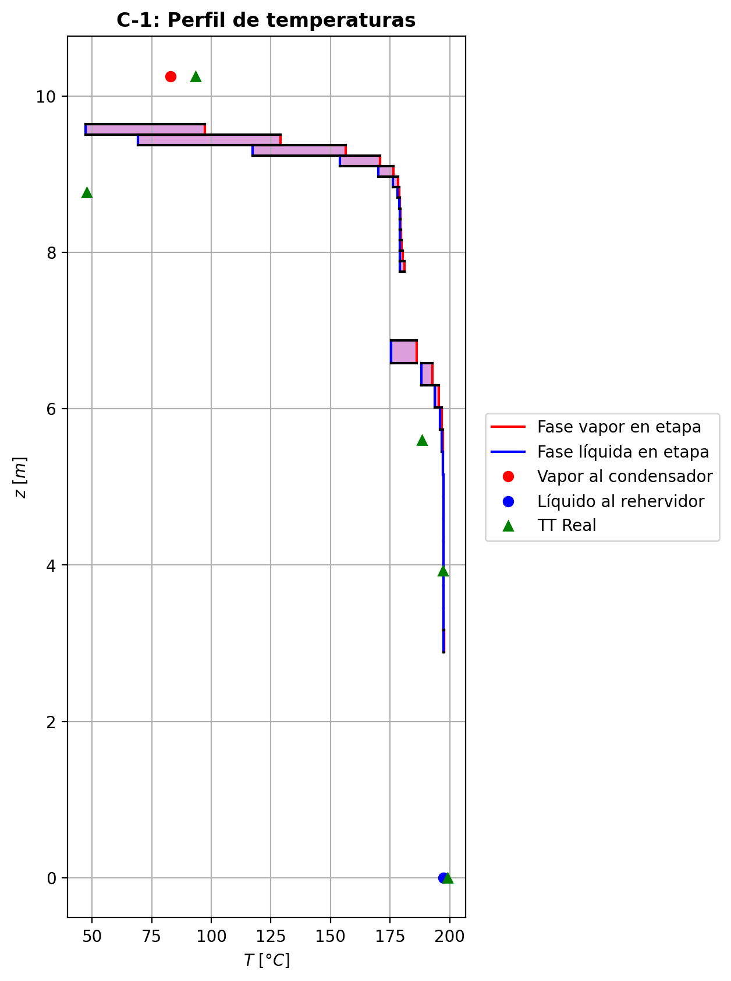
Agotamiento | 23 | 4.8756 | 4.5906 | - | - | 24.917031703 | 49.754035618 | 24.918361516 | 49.754035618 | 19.144498392 | - | - | 0.00082946044148 | 0.00058409141581 | 0.00093111796519 | 0.00014822548592 | 0.00016997418772 | 0.00016997418772 | 4.4506014704 | 0.60953333054 | -0.012226834708 | 0.014886460381 | 0.0026596256729 | -0.012228388173 | 1 | 1.5534645248E-06 | -0.012227286776 | 1.000350706 | 4.520677134E-07 | - | - | 197.33233399 | 197.34077317 | 197.32060412 | 197.31914555 | 197.31914555 | 57.553852427 | 8862.7455393 | -3042.9781812 | 22.223065609 | -3065.2012468 | 247.47894221 | -3290.4571234 | - | - | -237287.75739 | -272548.43162 | - | - | 14.709483934
Agotamiento | 24 | 4.5906 | 4.3056 | - | - | 24.919691329 | 49.755159243 | 24.920253141 | 49.755159243 | 19.145167122 | - | - | 0.00033872239015 | 0.00023835190183 | 0.00038029673857 | 6.0534556916E-05 | 6.9433074025E-05 | 6.9433074025E-05 | 4.4511237671 | 0.60954924162 | -0.0050022481354 | 0.0061258728903 | 0.0011236247549 | -0.0050025159535 | 1 | 2.6781809728E-07 | -0.0050023261521 | 1.000143347 | 7.8016720784E-08 | - | - | 197.34921236 | 197.35229522 | 197.3449877 | 197.34439002 | 197.34439002 | 57.564604273 | 8864.3938928 | -1254.441176 | 8.0535047816 | -1262.4946808 | 101.43137337 | -1355.8725494 | - | - | -237384.54357 | -272567.48892 | - | - | 14.709516697
Agotamiento | 25 | 4.3056 | 4.0206 | - | - | 24.920814954 | 49.755698177 | 24.921084421 | 49.755698177 | 19.1454427 | - | - | 0.00013798141352 | 9.692843843E-05 | 0.00015498423647 | 2.4669097287E-05 | 2.8309050598E-05 | 2.8309050598E-05 | 4.4513273112 | 0.60955701542 | -0.0020461170776 | 0.0025850508762 | 0.00053893379854 | -0.0020461693156 | 1 | 5.223801151E-08 | -0.0020461323343 | 1.0000584594 | 1.5256704172E-08 | - | - | 197.35537808 | 197.35570303 | 197.35502124 | 197.35477538 | 197.35477538 | 57.569438379 | 8865.0841863 | -534.49943549 | 0.75146434558 | -535.25089983 | 41.728641017 | -576.2280765 | - | - | -237424.1775 | -272575.27906 | - | - | 14.709549464
Agotamiento | 26 | 4.0206 | 3.7356 | - | - | 24.921353888 | 49.756102007 | 24.921555803 | 49.756102007 | 19.14556029 | - | - | 5.5875463345E-05 | 3.9084956073E-05 | 6.2829196534E-05 | 1.0000490271E-05 | 1.1489268853E-05 | 1.1489268853E-05 | 4.4513923753 | 0.60956275699 | -0.00083687534419 | 0.0012407052649 | 0.00040382992073 | -0.00083689112787 | 1 | 1.5783674713E-08 | -0.0008368799839 | 1.0000237282 | 4.6397105302E-09 | - | - | 197.35602798 | 197.35384719 | 197.35918679 | 197.35908478 | 197.35908478 | 57.572416116 | 8865.4009051 | -268.35701722 | -5.8856076204 | -262.4714096 | 17.315984004 | -285.67300123 | - | - | -237440.49056 | -272578.46024 | - | - | 14.709582233
Agotamiento | 27 | 3.7356 | 3.4506 | - | - | 24.921757718 | 49.756702624 | 24.922058026 | 49.756702624 | 19.145620175 | - | - | 2.2294448801E-05 | 1.542732693E-05 | 2.5138313031E-05 | 4.0012315208E-06 | 4.6101302408E-06 | 4.6101302408E-06 | 4.4513809627 | 0.60957075878 | -0.0003422763536 | 0.00094289303338 | 0.00060061667978 | -0.00034228561951 | 1 | 9.2659098784E-09 | -0.00034227912252 | 1.0000095215 | 2.7689211186E-09 | - | - | 197.35166641 | 197.34511959 | 197.36095259 | 197.36090939 | 197.36090939 | 57.576023066 | 8865.6097003 | -228.20198191 | -17.45317417 | -210.74880774 | 7.3324072869 | -235.5343892 | - | - | -237447.41108 | -272579.75628 | - | - | 14.709615002
Agotamiento | 28 | 3.4506 | 3.1656 | - | - | 24.922358334 | 49.757994907 | 24.923004476 | 49.757994907 | 19.145673229 | - | - | 8.5602050579E-06 | 5.7516679797E-06 | 9.7232042593E-06 | 1.5476268014E-06 | 1.7966549507E-06 | 1.7966549507E-06 | 4.4512901619 | 0.60958717321 | -0.00013998693156 | 0.0014322702559 | 0.0012922833244 | -0.00013999436434 | 1 | 7.4327846175E-09 | -0.00013998925335 | 1.0000037108 | 2.3217872325E-09 | - | - | 197.33857277 | 197.32214183 | 197.36173695 | 197.36171781 | 197.36171781 | 57.58326219 | 8865.8832498 | -378.37466812 | -43.652448315 | -334.72221981 | 3.2494170085 | -381.62408513 | - | - | -237450.84523 | -272580.28131 | - | - | 14.709647771
Agotamiento | 29 | 3.1656 | 2.8806 | 24.918295086 | - | 24.923650618 | 49.752639375 | 24.920972852 | 49.752639375 | 19.145680846 | 6.4605617897E-07 | - | 2.9431309014E-06 | 1.7945935402E-06 | 3.4190210313E-06 | 5.4419996074E-07 | 6.4605617897E-07 | 6.4605617897E-07 | 4.4532333586 | 0.60952212007 | -5.7254947799E-05 | -0.0052982769242 | -0.005355531872 | -5.7245336796E-05 | 1 | -9.6110029018E-09 | -5.7251487825E-05 | 1.0000013344 | -3.4599744576E-09 | 197.76194865 | - | 197.30571089 | 197.53382977 | 197.36211991 | 197.3621106 | 197.3621106 | 57.535108975 | 8864.9483664 | 1449.3802477 | 189.14679828 | 1260.2334494 | 1.579487662 | 1447.8007601 | -237446.58395 | - | -237453.71483 | -272580.49099 | 14.83457944 | - | 14.709680539

